novax
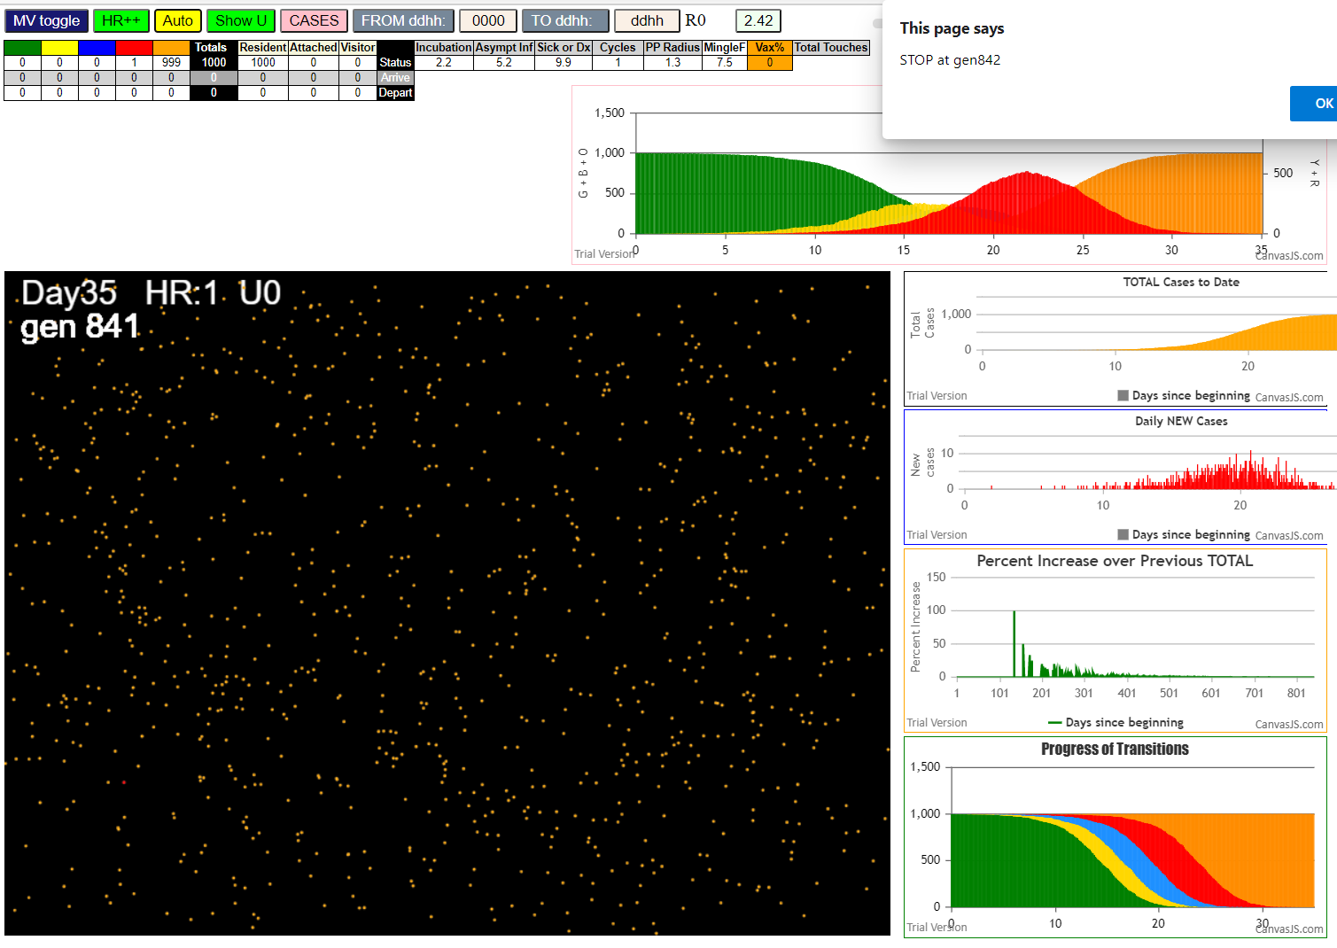

841
AgeVaxH35FF14.js:872 CovidSIMVL Mode1 and Mod2 Hybrid 35d
AgeVaxH35FF14.js:873 Mode 1 >13 and <36 is 75%
AgeVaxH35FF14.js:874 Mode 2 >28 is 95%; >13 and <29 is 75%
AgeVaxH35FF14.js:4466 exit covidSim
AgeVaxH35FF14.js:23 getAsText File {name: "Popn1000.csv", lastModified: 1611430642000, lastModifiedDate: Sat Jan 23 2021 11:37:22 GMT-0800 (Pacific Standard Time), webkitRelativePath: "", size: 23944, …}
AgeVaxH35FF14.js:32 File {name: "Popn1000.csv", lastModified: 1611430642000, lastModifiedDate: Sat Jan 23 2021 11:37:22 GMT-0800 (Pacific Standard Time), webkitRelativePath: "", size: 23944, …}
AgeVaxH35FF14.js:23 getAsText File {name: "VL1ff.csv", lastModified: 1612061327299, lastModifiedDate: Sat Jan 30 2021 18:48:47 GMT-0800 (Pacific Standard Time), webkitRelativePath: "", size: 65, …}
AgeVaxH35FF14.js:32 File {name: "VL1ff.csv", lastModified: 1612061327299, lastModifiedDate: Sat Jan 30 2021 18:48:47 GMT-0800 (Pacific Standard Time), webkitRelativePath: "", size: 65, …}
AgeVaxH35FF14.js:1675 Red Days changed to 9.9
AgeVaxH35FF14.js:1697 New Hazard Radius = 1.3
AgeVaxH35FF14.js:1711 new Mingle Factor = 7.5
AgeVaxH35FF14.js:2307 1I x:ageGp:fam 986:9:-1 by blue 150:2:-1 at gen10 Univ0 prob=0.658
AgeVaxH35FF14.js:2307 2I x:ageGp:fam 680:4:-1 by blue 150:2:-1 at gen36 Univ0 prob=0.483
AgeVaxH35FF14.js:2307 3I x:ageGp:fam 208:2:-1 by red 150:2:-1 at gen53 Univ0 prob=0.979
AgeVaxH35FF14.js:2307 4I x:ageGp:fam 217:2:-1 by red 150:2:-1 at gen62 Univ0 prob=0.656
AgeVaxH35FF14.js:2307 5I x:ageGp:fam 358:2:-1 by red 150:2:-1 at gen81 Univ0 prob=0.859
AgeVaxH35FF14.js:2307 6I x:ageGp:fam 965:8:-1 by blue 986:9:-1 at gen86 Univ0 prob=0.993
AgeVaxH35FF14.js:2307 7I x:ageGp:fam 123:1:-1 by red 150:2:-1 at gen91 Univ0 prob=0.436
AgeVaxH35FF14.js:2307 7I x:ageGp:fam 20:0:-1 by yellow 123:1:-1 at gen92 Univ0 prob=0.305
AgeVaxH35FF14.js:2307 9I x:ageGp:fam 438:3:-1 by blue 986:9:-1 at gen108 Univ0 prob=0.810
AgeVaxH35FF14.js:2307 10I x:ageGp:fam 785:5:-1 by blue 986:9:-1 at gen111 Univ0 prob=0.855
AgeVaxH35FF14.js:2307 11I x:ageGp:fam 699:5:-1 by blue 680:4:-1 at gen113 Univ0 prob=0.751
AgeVaxH35FF14.js:2307 12I x:ageGp:fam 897:6:-1 by blue 208:2:-1 at gen116 Univ0 prob=0.308
AgeVaxH35FF14.js:2307 12I x:ageGp:fam 487:3:-1 by blue 986:9:-1 at gen116 Univ0 prob=0.401
AgeVaxH35FF14.js:2307 14I x:ageGp:fam 979:8:-1 by blue 680:4:-1 at gen124 Univ0 prob=0.544
AgeVaxH35FF14.js:2307 15I x:ageGp:fam 636:4:-1 by blue 208:2:-1 at gen126 Univ0 prob=0.652
AgeVaxH35FF14.js:2307 15I x:ageGp:fam 761:5:-1 by green 636:4:-1 at gen126 Univ0 prob=0.974
AgeVaxH35FF14.js:2307 17I x:ageGp:fam 159:2:-1 by red 150:2:-1 at gen130 Univ0 prob=0.902
AgeVaxH35FF14.js:2307 18I x:ageGp:fam 585:4:-1 by blue 680:4:-1 at gen134 Univ0 prob=0.527
AgeVaxH35FF14.js:2307 19I x:ageGp:fam 465:3:-1 by blue 217:2:-1 at gen141 Univ0 prob=0.168
AgeVaxH35FF14.js:2307 20I x:ageGp:fam 900:6:-1 by yellow 465:3:-1 at gen144 Univ0 prob=0.080
AgeVaxH35FF14.js:2307 20I x:ageGp:fam 996:9:-1 by yellow 465:3:-1 at gen144 Univ0 prob=0.113
AgeVaxH35FF14.js:2307 22I x:ageGp:fam 96:1:-1 by red 986:9:-1 at gen146 Univ0 prob=0.105
AgeVaxH35FF14.js:2307 22I x:ageGp:fam 386:3:-1 by blue 680:4:-1 at gen146 Univ0 prob=0.591
AgeVaxH35FF14.js:2307 24I x:ageGp:fam 235:2:-1 by blue 208:2:-1 at gen149 Univ0 prob=0.994
AgeVaxH35FF14.js:2307 25I x:ageGp:fam 933:7:-1 by blue 965:8:-1 at gen152 Univ0 prob=0.204
AgeVaxH35FF14.js:2307 26I x:ageGp:fam 99:1:-1 by blue 965:8:-1 at gen159 Univ0 prob=0.626
AgeVaxH35FF14.js:2307 27I x:ageGp:fam 54:1:-1 by blue 965:8:-1 at gen162 Univ0 prob=0.692
AgeVaxH35FF14.js:2307 28I x:ageGp:fam 632:4:-1 by blue 487:3:-1 at gen165 Univ0 prob=0.006
AgeVaxH35FF14.js:2307 28I x:ageGp:fam 840:6:-1 by blue 20:0:-1 at gen166 Univ0 prob=0.949
AgeVaxH35FF14.js:2307 28I x:ageGp:fam 611:4:-1 by blue 358:2:-1 at gen166 Univ0 prob=0.767
AgeVaxH35FF14.js:2307 28I x:ageGp:fam 914:7:-1 by blue 358:2:-1 at gen166 Univ0 prob=0.410
AgeVaxH35FF14.js:2307 29I x:ageGp:fam 404:3:-1 by blue 208:2:-1 at gen167 Univ0 prob=0.329
AgeVaxH35FF14.js:2307 32I x:ageGp:fam 333:2:-1 by blue 965:8:-1 at gen168 Univ0 prob=0.505
AgeVaxH35FF14.js:2307 34I x:ageGp:fam 227:2:-1 by blue 123:1:-1 at gen172 Univ0 prob=0.006
AgeVaxH35FF14.js:2307 35I x:ageGp:fam 553:4:-1 by blue 123:1:-1 at gen175 Univ0 prob=0.929
AgeVaxH35FF14.js:2307 35I x:ageGp:fam 122:1:-1 by blue 699:5:-1 at gen176 Univ0 prob=0.689
AgeVaxH35FF14.js:2307 37I x:ageGp:fam 57:1:-1 by blue 979:8:-1 at gen180 Univ0 prob=0.528
AgeVaxH35FF14.js:2307 37I x:ageGp:fam 75:1:-1 by blue 123:1:-1 at gen180 Univ0 prob=0.536
AgeVaxH35FF14.js:2307 37I x:ageGp:fam 330:2:-1 by blue 123:1:-1 at gen181 Univ0 prob=0.839
AgeVaxH35FF14.js:2307 37I x:ageGp:fam 803:5:-1 by red 217:2:-1 at gen181 Univ0 prob=0.600
AgeVaxH35FF14.js:2307 41I x:ageGp:fam 984:9:-1 by red 680:4:-1 at gen183 Univ0 prob=0.548
AgeVaxH35FF14.js:2307 42I x:ageGp:fam 354:2:-1 by blue 785:5:-1 at gen185 Univ0 prob=0.814
AgeVaxH35FF14.js:2307 42I x:ageGp:fam 949:8:-1 by yellow 75:1:-1 at gen186 Univ0 prob=0.350
AgeVaxH35FF14.js:2307 42I x:ageGp:fam 587:4:-1 by red 680:4:-1 at gen186 Univ0 prob=0.662
AgeVaxH35FF14.js:2307 43I x:ageGp:fam 126:1:-1 by blue 897:6:-1 at gen187 Univ0 prob=0.331
AgeVaxH35FF14.js:2307 43I x:ageGp:fam 781:5:-1 by blue 358:2:-1 at gen187 Univ0 prob=0.126
AgeVaxH35FF14.js:2307 45I x:ageGp:fam 128:1:-1 by blue 159:2:-1 at gen188 Univ0 prob=0.091
AgeVaxH35FF14.js:2307 45I x:ageGp:fam 361:3:-1 by blue 487:3:-1 at gen188 Univ0 prob=0.431
AgeVaxH35FF14.js:2307 45I x:ageGp:fam 706:5:-1 by blue 897:6:-1 at gen188 Univ0 prob=0.198
AgeVaxH35FF14.js:2307 45I x:ageGp:fam 751:5:-1 by blue 965:8:-1 at gen188 Univ0 prob=0.664
AgeVaxH35FF14.js:2307 47I x:ageGp:fam 730:5:-1 by blue 487:3:-1 at gen189 Univ0 prob=0.414
AgeVaxH35FF14.js:2307 47I x:ageGp:fam 750:5:-1 by blue 487:3:-1 at gen189 Univ0 prob=0.727
AgeVaxH35FF14.js:2307 51I x:ageGp:fam 707:5:-1 by blue 20:0:-1 at gen190 Univ0 prob=0.697
AgeVaxH35FF14.js:2307 51I x:ageGp:fam 921:7:-1 by blue 487:3:-1 at gen190 Univ0 prob=0.335
AgeVaxH35FF14.js:2307 55I x:ageGp:fam 740:5:-1 by blue 785:5:-1 at gen192 Univ0 prob=0.020
AgeVaxH35FF14.js:2307 56I x:ageGp:fam 279:2:-1 by blue 123:1:-1 at gen194 Univ0 prob=0.548
AgeVaxH35FF14.js:2307 57I x:ageGp:fam 909:7:-1 by red 217:2:-1 at gen197 Univ0 prob=0.556
AgeVaxH35FF14.js:2307 57I x:ageGp:fam 0:0:-1 by blue 897:6:-1 at gen198 Univ0 prob=0.849
AgeVaxH35FF14.js:2307 58I x:ageGp:fam 183:2:-1 by red 680:4:-1 at gen199 Univ0 prob=0.969
AgeVaxH35FF14.js:2307 58I x:ageGp:fam 626:4:-1 by red 208:2:-1 at gen199 Univ0 prob=0.009
AgeVaxH35FF14.js:2307 61I x:ageGp:fam 257:2:-1 by blue 487:3:-1 at gen201 Univ0 prob=0.902
AgeVaxH35FF14.js:2307 61I x:ageGp:fam 794:5:-1 by blue 159:2:-1 at gen202 Univ0 prob=0.549
AgeVaxH35FF14.js:2307 61I x:ageGp:fam 841:6:-1 by blue 159:2:-1 at gen202 Univ0 prob=0.639
AgeVaxH35FF14.js:2307 64I x:ageGp:fam 908:7:-1 by blue 20:0:-1 at gen204 Univ0 prob=0.713
AgeVaxH35FF14.js:2307 64I x:ageGp:fam 881:6:-1 by blue 159:2:-1 at gen204 Univ0 prob=0.946
AgeVaxH35FF14.js:2307 64I x:ageGp:fam 806:5:-1 by red 208:2:-1 at gen204 Univ0 prob=0.389
AgeVaxH35FF14.js:2307 64I x:ageGp:fam 429:3:-1 by green 881:6:-1 at gen204 Univ0 prob=0.597
AgeVaxH35FF14.js:2307 64I x:ageGp:fam 642:4:-1 by red 680:4:-1 at gen204 Univ0 prob=0.062
AgeVaxH35FF14.js:2307 69I x:ageGp:fam 62:1:-1 by blue 897:6:-1 at gen206 Univ0 prob=0.191
AgeVaxH35FF14.js:2307 69I x:ageGp:fam 434:3:-1 by blue 699:5:-1 at gen207 Univ0 prob=0.538
AgeVaxH35FF14.js:2307 69I x:ageGp:fam 835:6:-1 by blue 636:4:-1 at gen207 Univ0 prob=0.026
AgeVaxH35FF14.js:2307 70I x:ageGp:fam 510:3:-1 by blue 20:0:-1 at gen208 Univ0 prob=0.332
AgeVaxH35FF14.js:2307 70I x:ageGp:fam 303:2:-1 by blue 636:4:-1 at gen208 Univ0 prob=0.671
AgeVaxH35FF14.js:2307 72I x:ageGp:fam 600:4:-1 by blue 159:2:-1 at gen209 Univ0 prob=0.753
AgeVaxH35FF14.js:2307 72I x:ageGp:fam 273:2:-1 by blue 438:3:-1 at gen209 Univ0 prob=0.275
AgeVaxH35FF14.js:2307 74I x:ageGp:fam 672:4:-1 by blue 585:4:-1 at gen210 Univ0 prob=0.859
AgeVaxH35FF14.js:2307 76I x:ageGp:fam 596:4:-1 by blue 897:6:-1 at gen211 Univ0 prob=0.614
AgeVaxH35FF14.js:2307 77I x:ageGp:fam 766:5:-1 by yellow 273:2:-1 at gen212 Univ0 prob=0.799
AgeVaxH35FF14.js:2307 78I x:ageGp:fam 71:1:-1 by yellow 672:4:-1 at gen213 Univ0 prob=0.336
AgeVaxH35FF14.js:2307 80I x:ageGp:fam 137:2:-1 by blue 900:6:-1 at gen215 Univ0 prob=0.868
AgeVaxH35FF14.js:2307 80I x:ageGp:fam 675:4:-1 by blue 897:6:-1 at gen216 Univ0 prob=0.651
AgeVaxH35FF14.js:2307 81I x:ageGp:fam 726:5:-1 by red 208:2:-1 at gen217 Univ0 prob=0.097
AgeVaxH35FF14.js:2307 81I x:ageGp:fam 652:4:-1 by blue 979:8:-1 at gen217 Univ0 prob=0.312
AgeVaxH35FF14.js:2307 84I x:ageGp:fam 673:4:-1 by blue 438:3:-1 at gen219 Univ0 prob=0.421
AgeVaxH35FF14.js:2307 85I x:ageGp:fam 338:2:-1 by blue 438:3:-1 at gen221 Univ0 prob=0.226
AgeVaxH35FF14.js:2307 86I x:ageGp:fam 973:8:-1 by blue 235:2:-1 at gen223 Univ0 prob=0.671
AgeVaxH35FF14.js:2307 86I x:ageGp:fam 729:5:-1 by blue 386:3:-1 at gen223 Univ0 prob=0.612
AgeVaxH35FF14.js:2307 86I x:ageGp:fam 616:4:-1 by blue 438:3:-1 at gen223 Univ0 prob=0.350
AgeVaxH35FF14.js:2307 89I x:ageGp:fam 958:8:-1 by blue 235:2:-1 at gen225 Univ0 prob=0.402
AgeVaxH35FF14.js:2307 89I x:ageGp:fam 690:5:-1 by blue 386:3:-1 at gen225 Univ0 prob=0.249
AgeVaxH35FF14.js:2307 89I x:ageGp:fam 772:5:-1 by blue 386:3:-1 at gen225 Univ0 prob=0.380
AgeVaxH35FF14.js:2307 92I x:ageGp:fam 513:3:-1 by blue 386:3:-1 at gen227 Univ0 prob=0.486
AgeVaxH35FF14.js:2307 92I x:ageGp:fam 21:0:-1 by blue 386:3:-1 at gen228 Univ0 prob=0.219
AgeVaxH35FF14.js:2307 92I x:ageGp:fam 575:4:-1 by blue 159:2:-1 at gen228 Univ0 prob=0.780
AgeVaxH35FF14.js:2307 93I x:ageGp:fam 163:2:-1 by blue 57:1:-1 at gen229 Univ0 prob=0.082
AgeVaxH35FF14.js:2307 95I x:ageGp:fam 188:2:-1 by red 20:0:-1 at gen230 Univ0 prob=0.004
AgeVaxH35FF14.js:2307 95I x:ageGp:fam 28:0:-1 by blue 699:5:-1 at gen230 Univ0 prob=0.819
AgeVaxH35FF14.js:2307 96I x:ageGp:fam 462:3:-1 by blue 761:5:-1 at gen231 Univ0 prob=0.426
AgeVaxH35FF14.js:2307 99I x:ageGp:fam 839:6:-1 by red 20:0:-1 at gen233 Univ0 prob=0.484
AgeVaxH35FF14.js:2307 99I x:ageGp:fam 278:2:-1 by yellow 28:0:-1 at gen233 Univ0 prob=0.060
AgeVaxH35FF14.js:2307 99I x:ageGp:fam 348:2:-1 by blue 636:4:-1 at gen233 Univ0 prob=0.350
AgeVaxH35FF14.js:2307 99I x:ageGp:fam 246:2:-1 by red 438:3:-1 at gen234 Univ0 prob=0.238
AgeVaxH35FF14.js:2307 99I x:ageGp:fam 247:2:-1 by blue 585:4:-1 at gen234 Univ0 prob=0.956
AgeVaxH35FF14.js:2307 99I x:ageGp:fam 536:3:-1 by red 785:5:-1 at gen234 Univ0 prob=0.878
AgeVaxH35FF14.js:2307 102I x:ageGp:fam 734:5:-1 by blue 900:6:-1 at gen235 Univ0 prob=0.861
AgeVaxH35FF14.js:2307 106I x:ageGp:fam 214:2:-1 by blue 636:4:-1 at gen237 Univ0 prob=0.435
AgeVaxH35FF14.js:2307 106I x:ageGp:fam 622:4:-1 by blue 99:1:-1 at gen238 Univ0 prob=0.962
AgeVaxH35FF14.js:2307 107I x:ageGp:fam 271:2:-1 by blue 996:9:-1 at gen239 Univ0 prob=0.632
AgeVaxH35FF14.js:2307 108I x:ageGp:fam 92:1:-1 by blue 632:4:-1 at gen240 Univ0 prob=0.359
AgeVaxH35FF14.js:2307 108I x:ageGp:fam 777:5:-1 by blue 99:1:-1 at gen240 Univ0 prob=0.907
AgeVaxH35FF14.js:2307 108I x:ageGp:fam 918:7:-1 by blue 553:4:-1 at gen240 Univ0 prob=0.810
AgeVaxH35FF14.js:2307 108I x:ageGp:fam 960:8:-1 by yellow 622:4:-1 at gen240 Univ0 prob=0.684
AgeVaxH35FF14.js:2307 109I x:ageGp:fam 711:5:-1 by blue 914:7:-1 at gen241 Univ0 prob=0.200
AgeVaxH35FF14.js:2307 114I x:ageGp:fam 171:2:-1 by blue 840:6:-1 at gen243 Univ0 prob=0.856
AgeVaxH35FF14.js:2307 114I x:ageGp:fam 853:6:-1 by blue 386:3:-1 at gen244 Univ0 prob=0.366
AgeVaxH35FF14.js:2307 115I x:ageGp:fam 110:1:-1 by blue 159:2:-1 at gen245 Univ0 prob=0.103
AgeVaxH35FF14.js:2307 116I x:ageGp:fam 827:6:-1 by blue 333:2:-1 at gen246 Univ0 prob=0.727
AgeVaxH35FF14.js:2307 116I x:ageGp:fam 723:5:-1 by blue 632:4:-1 at gen246 Univ0 prob=0.851
AgeVaxH35FF14.js:2307 116I x:ageGp:fam 661:4:-1 by yellow 711:5:-1 at gen246 Univ0 prob=0.554
AgeVaxH35FF14.js:2307 117I x:ageGp:fam 294:2:-1 by blue 227:2:-1 at gen247 Univ0 prob=0.779
AgeVaxH35FF14.js:2307 117I x:ageGp:fam 260:2:-1 by red 358:2:-1 at gen247 Univ0 prob=0.481
AgeVaxH35FF14.js:2307 117I x:ageGp:fam 286:2:-1 by blue 933:7:-1 at gen247 Univ0 prob=0.130
AgeVaxH35FF14.js:2307 120I x:ageGp:fam 617:4:-1 by blue 122:1:-1 at gen248 Univ0 prob=0.476
AgeVaxH35FF14.js:2307 123I x:ageGp:fam 687:4:-1 by blue 54:1:-1 at gen249 Univ0 prob=0.833
AgeVaxH35FF14.js:2307 123I x:ageGp:fam 859:6:-1 by blue 404:3:-1 at gen249 Univ0 prob=0.141
AgeVaxH35FF14.js:2307 124I x:ageGp:fam 395:3:-1 by blue 333:2:-1 at gen250 Univ0 prob=0.159
AgeVaxH35FF14.js:2307 124I x:ageGp:fam 427:3:-1 by blue 949:8:-1 at gen250 Univ0 prob=0.885
AgeVaxH35FF14.js:2307 124I x:ageGp:fam 695:5:-1 by blue 611:4:-1 at gen250 Univ0 prob=0.731
AgeVaxH35FF14.js:2307 126I x:ageGp:fam 602:4:-1 by blue 96:1:-1 at gen251 Univ0 prob=0.606
AgeVaxH35FF14.js:2307 126I x:ageGp:fam 323:2:-1 by blue 900:6:-1 at gen251 Univ0 prob=0.858
AgeVaxH35FF14.js:2307 129I x:ageGp:fam 124:1:-1 by blue 122:1:-1 at gen252 Univ0 prob=0.622
AgeVaxH35FF14.js:2307 129I x:ageGp:fam 397:3:-1 by red 208:2:-1 at gen252 Univ0 prob=0.140
AgeVaxH35FF14.js:2307 129I x:ageGp:fam 904:7:-1 by blue 706:5:-1 at gen252 Univ0 prob=0.111
AgeVaxH35FF14.js:2307 131I x:ageGp:fam 894:6:-1 by blue 57:1:-1 at gen253 Univ0 prob=0.696
AgeVaxH35FF14.js:2307 131I x:ageGp:fam 418:3:-1 by yellow 323:2:-1 at gen253 Univ0 prob=0.408
AgeVaxH35FF14.js:2307 131I x:ageGp:fam 360:3:-1 by blue 330:2:-1 at gen253 Univ0 prob=0.540
AgeVaxH35FF14.js:2307 131I x:ageGp:fam 805:5:-1 by blue 900:6:-1 at gen253 Univ0 prob=0.982
AgeVaxH35FF14.js:2307 134I x:ageGp:fam 69:1:-1 by blue 227:2:-1 at gen254 Univ0 prob=0.868
AgeVaxH35FF14.js:2307 138I x:ageGp:fam 671:4:-1 by red 585:4:-1 at gen255 Univ0 prob=0.319
AgeVaxH35FF14.js:2307 139I x:ageGp:fam 146:2:-1 by red 897:6:-1 at gen256 Univ0 prob=0.819
AgeVaxH35FF14.js:2307 139I x:ageGp:fam 802:5:-1 by blue 333:2:-1 at gen256 Univ0 prob=0.883
AgeVaxH35FF14.js:2307 139I x:ageGp:fam 849:6:-1 by blue 611:4:-1 at gen256 Univ0 prob=0.232
AgeVaxH35FF14.js:2307 139I x:ageGp:fam 981:8:-1 by red 979:8:-1 at gen256 Univ0 prob=0.376
AgeVaxH35FF14.js:2307 144I x:ageGp:fam 381:3:-1 by blue 54:1:-1 at gen259 Univ0 prob=0.688
AgeVaxH35FF14.js:2307 144I x:ageGp:fam 967:8:-1 by blue 54:1:-1 at gen259 Univ0 prob=0.749
AgeVaxH35FF14.js:2307 144I x:ageGp:fam 804:5:-1 by blue 57:1:-1 at gen259 Univ0 prob=0.784
AgeVaxH35FF14.js:2307 144I x:ageGp:fam 677:4:-1 by red 358:2:-1 at gen260 Univ0 prob=0.616
AgeVaxH35FF14.js:2307 144I x:ageGp:fam 962:8:-1 by red 979:8:-1 at gen260 Univ0 prob=0.781
AgeVaxH35FF14.js:2307 147I x:ageGp:fam 893:6:-1 by blue 0:0:-1 at gen261 Univ0 prob=0.719
AgeVaxH35FF14.js:2307 147I x:ageGp:fam 70:1:-1 by blue 751:5:-1 at gen261 Univ0 prob=0.983
AgeVaxH35FF14.js:2307 147I x:ageGp:fam 584:4:-1 by blue 587:4:-1 at gen261 Univ0 prob=0.675
AgeVaxH35FF14.js:2307 147I x:ageGp:fam 778:5:-1 by yellow 804:5:-1 at gen261 Univ0 prob=0.856
AgeVaxH35FF14.js:2307 149I x:ageGp:fam 370:3:-1 by blue 781:5:-1 at gen262 Univ0 prob=0.650
AgeVaxH35FF14.js:2307 153I x:ageGp:fam 860:6:-1 by blue 707:5:-1 at gen263 Univ0 prob=0.065
AgeVaxH35FF14.js:2307 154I x:ageGp:fam 196:2:-1 by red 465:3:-1 at gen264 Univ0 prob=0.560
AgeVaxH35FF14.js:2307 154I x:ageGp:fam 742:5:-1 by blue 354:2:-1 at gen264 Univ0 prob=0.851
AgeVaxH35FF14.js:2307 154I x:ageGp:fam 978:8:-1 by red 636:4:-1 at gen264 Univ0 prob=0.026
AgeVaxH35FF14.js:2307 155I x:ageGp:fam 87:1:-1 by blue 553:4:-1 at gen265 Univ0 prob=0.523
AgeVaxH35FF14.js:2307 155I x:ageGp:fam 654:4:-1 by yellow 962:8:-1 at gen265 Univ0 prob=0.284
AgeVaxH35FF14.js:2307 155I x:ageGp:fam 703:5:-1 by blue 781:5:-1 at gen265 Univ0 prob=0.126
AgeVaxH35FF14.js:2307 155I x:ageGp:fam 862:6:-1 by yellow 726:5:-1 at gen265 Univ0 prob=0.179
AgeVaxH35FF14.js:2307 158I x:ageGp:fam 705:5:-1 by red 159:2:-1 at gen266 Univ0 prob=0.889
AgeVaxH35FF14.js:2307 158I x:ageGp:fam 752:5:-1 by blue 279:2:-1 at gen266 Univ0 prob=0.950
AgeVaxH35FF14.js:2307 158I x:ageGp:fam 651:4:-1 by blue 330:2:-1 at gen266 Univ0 prob=0.692
AgeVaxH35FF14.js:2307 158I x:ageGp:fam 393:3:-1 by blue 510:3:-1 at gen266 Univ0 prob=0.591
AgeVaxH35FF14.js:2307 162I x:ageGp:fam 101:1:-1 by blue 126:1:-1 at gen267 Univ0 prob=0.256
AgeVaxH35FF14.js:2307 162I x:ageGp:fam 114:1:-1 by red 996:9:-1 at gen267 Univ0 prob=0.182
AgeVaxH35FF14.js:2307 162I x:ageGp:fam 262:2:-1 by blue 279:2:-1 at gen267 Univ0 prob=0.675
AgeVaxH35FF14.js:2307 162I x:ageGp:fam 546:4:-1 by red 900:6:-1 at gen267 Univ0 prob=0.998
AgeVaxH35FF14.js:2307 162I x:ageGp:fam 625:4:-1 by blue 751:5:-1 at gen267 Univ0 prob=0.926
AgeVaxH35FF14.js:2307 162I x:ageGp:fam 952:8:-1 by blue 632:4:-1 at gen267 Univ0 prob=0.020
AgeVaxH35FF14.js:2307 166I x:ageGp:fam 345:2:-1 by red 235:2:-1 at gen268 Univ0 prob=0.970
AgeVaxH35FF14.js:2307 166I x:ageGp:fam 494:3:-1 by blue 766:5:-1 at gen268 Univ0 prob=0.753
AgeVaxH35FF14.js:2307 166I x:ageGp:fam 896:6:-1 by blue 750:5:-1 at gen268 Univ0 prob=0.928
AgeVaxH35FF14.js:2307 172I x:ageGp:fam 35:0:-1 by blue 803:5:-1 at gen269 Univ0 prob=0.039
AgeVaxH35FF14.js:2307 172I x:ageGp:fam 701:5:-1 by blue 54:1:-1 at gen269 Univ0 prob=0.484
AgeVaxH35FF14.js:2307 172I x:ageGp:fam 232:2:-1 by blue 933:7:-1 at gen269 Univ0 prob=0.285
AgeVaxH35FF14.js:2307 175I x:ageGp:fam 1:0:-1 by blue 128:1:-1 at gen270 Univ0 prob=0.427
AgeVaxH35FF14.js:2307 175I x:ageGp:fam 314:2:-1 by red 487:3:-1 at gen270 Univ0 prob=0.517
AgeVaxH35FF14.js:2307 175I x:ageGp:fam 509:3:-1 by blue 751:5:-1 at gen270 Univ0 prob=0.063
AgeVaxH35FF14.js:2307 175I x:ageGp:fam 520:3:-1 by blue 840:6:-1 at gen270 Univ0 prob=0.676
AgeVaxH35FF14.js:2307 178I x:ageGp:fam 4:0:-1 by blue 279:2:-1 at gen271 Univ0 prob=0.423
AgeVaxH35FF14.js:2307 178I x:ageGp:fam 30:0:-1 by blue 587:4:-1 at gen271 Univ0 prob=0.515
AgeVaxH35FF14.js:2307 178I x:ageGp:fam 38:0:-1 by red 996:9:-1 at gen271 Univ0 prob=0.008
AgeVaxH35FF14.js:2307 178I x:ageGp:fam 469:3:-1 by blue 909:7:-1 at gen271 Univ0 prob=0.065
AgeVaxH35FF14.js:2307 182I x:ageGp:fam 722:5:-1 by yellow 4:0:-1 at gen272 Univ0 prob=0.634
AgeVaxH35FF14.js:2307 182I x:ageGp:fam 605:4:-1 by blue 126:1:-1 at gen272 Univ0 prob=0.607
AgeVaxH35FF14.js:2307 182I x:ageGp:fam 796:5:-1 by red 235:2:-1 at gen272 Univ0 prob=0.964
AgeVaxH35FF14.js:2307 182I x:ageGp:fam 344:2:-1 by blue 611:4:-1 at gen272 Univ0 prob=0.464
AgeVaxH35FF14.js:2307 182I x:ageGp:fam 601:4:-1 by blue 361:3:-1 at gen272 Univ0 prob=0.300
AgeVaxH35FF14.js:2307 182I x:ageGp:fam 515:3:-1 by blue 909:7:-1 at gen272 Univ0 prob=0.924
AgeVaxH35FF14.js:2307 182I x:ageGp:fam 771:5:-1 by blue 840:6:-1 at gen272 Univ0 prob=0.922
AgeVaxH35FF14.js:2307 186I x:ageGp:fam 526:3:-1 by blue 75:1:-1 at gen273 Univ0 prob=0.082
AgeVaxH35FF14.js:2307 186I x:ageGp:fam 296:2:-1 by blue 361:3:-1 at gen273 Univ0 prob=0.119
AgeVaxH35FF14.js:2307 186I x:ageGp:fam 985:9:-1 by blue 626:4:-1 at gen273 Univ0 prob=0.301
AgeVaxH35FF14.js:2307 193I x:ageGp:fam 43:1:-1 by blue 54:1:-1 at gen274 Univ0 prob=0.469
AgeVaxH35FF14.js:2307 193I x:ageGp:fam 692:5:-1 by blue 751:5:-1 at gen274 Univ0 prob=0.135
AgeVaxH35FF14.js:2307 196I x:ageGp:fam 198:2:-1 by blue 973:8:-1 at gen275 Univ0 prob=0.595
AgeVaxH35FF14.js:2307 196I x:ageGp:fam 683:4:-1 by blue 751:5:-1 at gen275 Univ0 prob=0.911
AgeVaxH35FF14.js:2307 196I x:ageGp:fam 820:5:-1 by red 996:9:-1 at gen275 Univ0 prob=0.212
AgeVaxH35FF14.js:2307 198I x:ageGp:fam 166:2:-1 by blue 122:1:-1 at gen276 Univ0 prob=0.633
AgeVaxH35FF14.js:2307 201I x:ageGp:fam 281:2:-1 by blue 361:3:-1 at gen277 Univ0 prob=0.554
AgeVaxH35FF14.js:2307 201I x:ageGp:fam 336:2:-1 by blue 707:5:-1 at gen277 Univ0 prob=0.077
AgeVaxH35FF14.js:2307 201I x:ageGp:fam 599:4:-1 by blue 806:5:-1 at gen277 Univ0 prob=0.977
AgeVaxH35FF14.js:2307 202I x:ageGp:fam 107:1:-1 by red 965:8:-1 at gen278 Univ0 prob=0.699
AgeVaxH35FF14.js:2307 202I x:ageGp:fam 905:7:-1 by blue 632:4:-1 at gen278 Univ0 prob=0.065
AgeVaxH35FF14.js:2307 205I x:ageGp:fam 112:1:-1 by blue 0:0:-1 at gen279 Univ0 prob=0.318
AgeVaxH35FF14.js:2307 205I x:ageGp:fam 483:3:-1 by yellow 462:3:-1 at gen279 Univ0 prob=0.384
AgeVaxH35FF14.js:2307 207I x:ageGp:fam 132:2:-1 by blue 122:1:-1 at gen280 Univ0 prob=0.953
AgeVaxH35FF14.js:2307 207I x:ageGp:fam 205:2:-1 by blue 626:4:-1 at gen280 Univ0 prob=0.972
AgeVaxH35FF14.js:2307 207I x:ageGp:fam 788:5:-1 by blue 750:5:-1 at gen280 Univ0 prob=0.189
AgeVaxH35FF14.js:2307 212I x:ageGp:fam 140:2:-1 by blue 553:4:-1 at gen282 Univ0 prob=0.925
AgeVaxH35FF14.js:2307 212I x:ageGp:fam 321:2:-1 by blue 751:5:-1 at gen282 Univ0 prob=0.194
AgeVaxH35FF14.js:2307 212I x:ageGp:fam 712:5:-1 by red 487:3:-1 at gen282 Univ0 prob=0.743
AgeVaxH35FF14.js:2307 212I x:ageGp:fam 829:6:-1 by blue 909:7:-1 at gen282 Univ0 prob=0.502
AgeVaxH35FF14.js:2307 212I x:ageGp:fam 172:2:-1 by blue 840:6:-1 at gen283 Univ0 prob=0.674
AgeVaxH35FF14.js:2307 212I x:ageGp:fam 783:5:-1 by blue 273:2:-1 at gen283 Univ0 prob=0.181
AgeVaxH35FF14.js:2307 212I x:ageGp:fam 398:3:-1 by blue 781:5:-1 at gen283 Univ0 prob=0.392
AgeVaxH35FF14.js:2307 216I x:ageGp:fam 365:3:-1 by blue 841:6:-1 at gen284 Univ0 prob=0.868
AgeVaxH35FF14.js:2307 216I x:ageGp:fam 517:3:-1 by blue 672:4:-1 at gen284 Univ0 prob=0.230
AgeVaxH35FF14.js:2307 216I x:ageGp:fam 950:8:-1 by blue 553:4:-1 at gen284 Univ0 prob=0.466
AgeVaxH35FF14.js:2307 219I x:ageGp:fam 597:4:-1 by blue 71:1:-1 at gen285 Univ0 prob=0.344
AgeVaxH35FF14.js:2307 219I x:ageGp:fam 696:5:-1 by blue 163:2:-1 at gen285 Univ0 prob=0.092
AgeVaxH35FF14.js:2307 219I x:ageGp:fam 376:3:-1 by blue 766:5:-1 at gen285 Univ0 prob=0.526
AgeVaxH35FF14.js:2307 219I x:ageGp:fam 727:5:-1 by blue 429:3:-1 at gen285 Univ0 prob=0.192
AgeVaxH35FF14.js:2307 219I x:ageGp:fam 574:4:-1 by blue 707:5:-1 at gen285 Univ0 prob=0.181
AgeVaxH35FF14.js:2307 219I x:ageGp:fam 932:7:-1 by blue 642:4:-1 at gen285 Univ0 prob=0.348
AgeVaxH35FF14.js:2307 219I x:ageGp:fam 658:4:-1 by blue 672:4:-1 at gen285 Univ0 prob=0.768
AgeVaxH35FF14.js:2307 222I x:ageGp:fam 267:2:-1 by red 996:9:-1 at gen286 Univ0 prob=0.493
AgeVaxH35FF14.js:2307 222I x:ageGp:fam 733:5:-1 by blue 348:2:-1 at gen286 Univ0 prob=0.837
AgeVaxH35FF14.js:2307 222I x:ageGp:fam 857:6:-1 by blue 781:5:-1 at gen286 Univ0 prob=0.454
AgeVaxH35FF14.js:2307 229I x:ageGp:fam 144:2:-1 by blue 429:3:-1 at gen287 Univ0 prob=0.432
AgeVaxH35FF14.js:2307 229I x:ageGp:fam 773:5:-1 by blue 338:2:-1 at gen287 Univ0 prob=0.563
AgeVaxH35FF14.js:2307 229I x:ageGp:fam 718:5:-1 by blue 361:3:-1 at gen287 Univ0 prob=0.417
AgeVaxH35FF14.js:2307 232I x:ageGp:fam 892:6:-1 by yellow 92:1:-1 at gen288 Univ0 prob=0.285
AgeVaxH35FF14.js:2307 232I x:ageGp:fam 177:2:-1 by red 933:7:-1 at gen288 Univ0 prob=0.986
AgeVaxH35FF14.js:2307 232I x:ageGp:fam 491:3:-1 by red 208:2:-1 at gen288 Univ0 prob=0.286
AgeVaxH35FF14.js:2307 232I x:ageGp:fam 815:5:-1 by blue 257:2:-1 at gen288 Univ0 prob=0.001
AgeVaxH35FF14.js:2307 235I x:ageGp:fam 45:1:-1 by blue 137:2:-1 at gen289 Univ0 prob=0.286
AgeVaxH35FF14.js:2307 235I x:ageGp:fam 102:1:-1 by red 840:6:-1 at gen289 Univ0 prob=0.581
AgeVaxH35FF14.js:2307 235I x:ageGp:fam 269:2:-1 by red 900:6:-1 at gen289 Univ0 prob=0.660
AgeVaxH35FF14.js:2307 235I x:ageGp:fam 293:2:-1 by blue 794:5:-1 at gen289 Univ0 prob=0.036
AgeVaxH35FF14.js:2307 235I x:ageGp:fam 436:3:-1 by blue 984:9:-1 at gen289 Univ0 prob=0.632
AgeVaxH35FF14.js:2307 235I x:ageGp:fam 754:5:-1 by blue 626:4:-1 at gen289 Univ0 prob=0.942
AgeVaxH35FF14.js:2307 239I x:ageGp:fam 623:4:-1 by blue 71:1:-1 at gen290 Univ0 prob=0.779
AgeVaxH35FF14.js:2307 239I x:ageGp:fam 302:2:-1 by blue 766:5:-1 at gen290 Univ0 prob=0.914
AgeVaxH35FF14.js:2307 245I x:ageGp:fam 850:6:-1 by red 20:0:-1 at gen291 Univ0 prob=0.054
AgeVaxH35FF14.js:2307 245I x:ageGp:fam 472:3:-1 by blue 361:3:-1 at gen291 Univ0 prob=0.405
AgeVaxH35FF14.js:2307 245I x:ageGp:fam 564:4:-1 by red 979:8:-1 at gen291 Univ0 prob=0.271
AgeVaxH35FF14.js:2307 247I x:ageGp:fam 456:3:-1 by red 20:0:-1 at gen292 Univ0 prob=0.343
AgeVaxH35FF14.js:2307 247I x:ageGp:fam 563:4:-1 by red 20:0:-1 at gen292 Univ0 prob=0.755
AgeVaxH35FF14.js:2307 247I x:ageGp:fam 243:2:-1 by red 465:3:-1 at gen292 Univ0 prob=0.414
AgeVaxH35FF14.js:2307 250I x:ageGp:fam 738:5:-1 by blue 246:2:-1 at gen293 Univ0 prob=0.003
AgeVaxH35FF14.js:2307 250I x:ageGp:fam 255:2:-1 by blue 726:5:-1 at gen293 Univ0 prob=0.598
AgeVaxH35FF14.js:2307 250I x:ageGp:fam 492:3:-1 by blue 673:4:-1 at gen293 Univ0 prob=0.002
AgeVaxH35FF14.js:2307 250I x:ageGp:fam 765:5:-1 by blue 626:4:-1 at gen293 Univ0 prob=0.347
AgeVaxH35FF14.js:2307 253I x:ageGp:fam 74:1:-1 by blue 279:2:-1 at gen294 Univ0 prob=0.478
AgeVaxH35FF14.js:2307 253I x:ageGp:fam 387:3:-1 by blue 330:2:-1 at gen294 Univ0 prob=0.238
AgeVaxH35FF14.js:2307 257I x:ageGp:fam 863:6:-1 by red 123:1:-1 at gen295 Univ0 prob=0.698
AgeVaxH35FF14.js:2307 257I x:ageGp:fam 185:2:-1 by blue 675:4:-1 at gen295 Univ0 prob=0.498
AgeVaxH35FF14.js:2307 257I x:ageGp:fam 228:2:-1 by blue 510:3:-1 at gen295 Univ0 prob=0.423
AgeVaxH35FF14.js:2307 257I x:ageGp:fam 298:2:-1 by yellow 260:2:-1 at gen295 Univ0 prob=0.797
AgeVaxH35FF14.js:2307 257I x:ageGp:fam 573:4:-1 by yellow 260:2:-1 at gen295 Univ0 prob=0.653
AgeVaxH35FF14.js:2307 257I x:ageGp:fam 411:3:-1 by blue 587:4:-1 at gen295 Univ0 prob=0.245
AgeVaxH35FF14.js:2307 257I x:ageGp:fam 448:3:-1 by red 914:7:-1 at gen295 Univ0 prob=0.850
AgeVaxH35FF14.js:2307 259I x:ageGp:fam 865:6:-1 by red 54:1:-1 at gen296 Univ0 prob=0.504
AgeVaxH35FF14.js:2307 259I x:ageGp:fam 117:1:-1 by blue 126:1:-1 at gen296 Univ0 prob=0.594
AgeVaxH35FF14.js:2307 259I x:ageGp:fam 339:2:-1 by red 965:8:-1 at gen296 Univ0 prob=0.047
AgeVaxH35FF14.js:2307 259I x:ageGp:fam 369:3:-1 by red 996:9:-1 at gen296 Univ0 prob=0.407
AgeVaxH35FF14.js:2307 259I x:ageGp:fam 533:3:-1 by blue 794:5:-1 at gen296 Univ0 prob=0.638
AgeVaxH35FF14.js:2307 259I x:ageGp:fam 641:4:-1 by yellow 617:4:-1 at gen296 Univ0 prob=0.015
AgeVaxH35FF14.js:2307 259I x:ageGp:fam 798:5:-1 by blue 750:5:-1 at gen296 Univ0 prob=0.019
AgeVaxH35FF14.js:2307 266I x:ageGp:fam 39:0:-1 by blue 510:3:-1 at gen297 Univ0 prob=0.188
AgeVaxH35FF14.js:2307 266I x:ageGp:fam 347:2:-1 by blue 984:9:-1 at gen297 Univ0 prob=0.849
AgeVaxH35FF14.js:2307 266I x:ageGp:fam 879:6:-1 by red 386:3:-1 at gen297 Univ0 prob=0.449
AgeVaxH35FF14.js:2307 266I x:ageGp:fam 992:9:-1 by red 632:4:-1 at gen297 Univ0 prob=0.246
AgeVaxH35FF14.js:2307 273I x:ageGp:fam 51:1:-1 by red 465:3:-1 at gen298 Univ0 prob=0.631
AgeVaxH35FF14.js:2307 273I x:ageGp:fam 350:2:-1 by blue 596:4:-1 at gen298 Univ0 prob=0.446
AgeVaxH35FF14.js:2307 273I x:ageGp:fam 725:5:-1 by blue 626:4:-1 at gen298 Univ0 prob=0.559
AgeVaxH35FF14.js:2307 273I x:ageGp:fam 977:8:-1 by red 965:8:-1 at gen298 Univ0 prob=0.089
AgeVaxH35FF14.js:2307 277I x:ageGp:fam 570:4:-1 by blue 434:3:-1 at gen299 Univ0 prob=0.060
AgeVaxH35FF14.js:2307 277I x:ageGp:fam 506:3:-1 by blue 750:5:-1 at gen299 Univ0 prob=0.678
AgeVaxH35FF14.js:2307 277I x:ageGp:fam 643:4:-1 by red 761:5:-1 at gen299 Univ0 prob=0.030
AgeVaxH35FF14.js:2307 281I x:ageGp:fam 7:0:-1 by red 699:5:-1 at gen300 Univ0 prob=0.464
AgeVaxH35FF14.js:2307 281I x:ageGp:fam 161:2:-1 by red 465:3:-1 at gen300 Univ0 prob=0.445
AgeVaxH35FF14.js:2307 284I x:ageGp:fam 55:1:-1 by blue 772:5:-1 at gen301 Univ0 prob=0.262
AgeVaxH35FF14.js:2307 284I x:ageGp:fam 272:2:-1 by blue 303:2:-1 at gen301 Univ0 prob=0.230
AgeVaxH35FF14.js:2307 284I x:ageGp:fam 304:2:-1 by yellow 397:3:-1 at gen301 Univ0 prob=0.014
AgeVaxH35FF14.js:2307 284I x:ageGp:fam 620:4:-1 by red 386:3:-1 at gen301 Univ0 prob=0.833
AgeVaxH35FF14.js:2307 284I x:ageGp:fam 568:4:-1 by blue 729:5:-1 at gen301 Univ0 prob=0.666
AgeVaxH35FF14.js:2307 286I x:ageGp:fam 63:1:-1 by red 933:7:-1 at gen302 Univ0 prob=0.914
AgeVaxH35FF14.js:2307 286I x:ageGp:fam 204:2:-1 by blue 729:5:-1 at gen302 Univ0 prob=0.129
AgeVaxH35FF14.js:2307 286I x:ageGp:fam 769:5:-1 by red 587:4:-1 at gen302 Univ0 prob=0.675
AgeVaxH35FF14.js:2307 291I x:ageGp:fam 34:0:-1 by red 840:6:-1 at gen303 Univ0 prob=0.232
AgeVaxH35FF14.js:2307 291I x:ageGp:fam 187:2:-1 by blue 513:3:-1 at gen303 Univ0 prob=0.568
AgeVaxH35FF14.js:2307 291I x:ageGp:fam 234:2:-1 by blue 279:2:-1 at gen303 Univ0 prob=0.096
AgeVaxH35FF14.js:2307 291I x:ageGp:fam 924:7:-1 by red 235:2:-1 at gen303 Univ0 prob=0.712
AgeVaxH35FF14.js:2307 291I x:ageGp:fam 607:4:-1 by red 587:4:-1 at gen303 Univ0 prob=0.885
AgeVaxH35FF14.js:2307 294I x:ageGp:fam 842:6:-1 by red 54:1:-1 at gen304 Univ0 prob=0.425
AgeVaxH35FF14.js:2307 294I x:ageGp:fam 922:7:-1 by red 54:1:-1 at gen304 Univ0 prob=0.314
AgeVaxH35FF14.js:2307 294I x:ageGp:fam 421:3:-1 by red 99:1:-1 at gen304 Univ0 prob=0.932
AgeVaxH35FF14.js:2307 294I x:ageGp:fam 289:2:-1 by red 122:1:-1 at gen304 Univ0 prob=0.031
AgeVaxH35FF14.js:2307 294I x:ageGp:fam 953:8:-1 by blue 616:4:-1 at gen304 Univ0 prob=0.834
AgeVaxH35FF14.js:2307 294I x:ageGp:fam 660:4:-1 by blue 750:5:-1 at gen304 Univ0 prob=0.512
AgeVaxH35FF14.js:2307 294I x:ageGp:fam 931:7:-1 by blue 973:8:-1 at gen304 Univ0 prob=0.721
AgeVaxH35FF14.js:2307 299I x:ageGp:fam 567:4:-1 by blue 28:0:-1 at gen305 Univ0 prob=0.338
AgeVaxH35FF14.js:2307 299I x:ageGp:fam 741:5:-1 by blue 128:1:-1 at gen305 Univ0 prob=0.017
AgeVaxH35FF14.js:2307 299I x:ageGp:fam 408:3:-1 by blue 642:4:-1 at gen305 Univ0 prob=0.598
AgeVaxH35FF14.js:2307 299I x:ageGp:fam 948:7:-1 by red 699:5:-1 at gen305 Univ0 prob=0.730
AgeVaxH35FF14.js:2307 306I x:ageGp:fam 106:1:-1 by red 386:3:-1 at gen306 Univ0 prob=0.587
AgeVaxH35FF14.js:2307 306I x:ageGp:fam 970:8:-1 by blue 766:5:-1 at gen306 Univ0 prob=0.293
AgeVaxH35FF14.js:2307 310I x:ageGp:fam 971:8:-1 by red 99:1:-1 at gen307 Univ0 prob=0.545
AgeVaxH35FF14.js:2307 310I x:ageGp:fam 100:1:-1 by blue 839:6:-1 at gen307 Univ0 prob=0.908
AgeVaxH35FF14.js:2307 310I x:ageGp:fam 346:2:-1 by blue 777:5:-1 at gen307 Univ0 prob=0.122
AgeVaxH35FF14.js:2307 310I x:ageGp:fam 414:3:-1 by red 636:4:-1 at gen307 Univ0 prob=0.994
AgeVaxH35FF14.js:2307 310I x:ageGp:fam 836:6:-1 by blue 434:3:-1 at gen307 Univ0 prob=0.373
AgeVaxH35FF14.js:2307 312I x:ageGp:fam 168:2:-1 by blue 62:1:-1 at gen308 Univ0 prob=0.848
AgeVaxH35FF14.js:2307 312I x:ageGp:fam 174:2:-1 by blue 303:2:-1 at gen308 Univ0 prob=0.912
AgeVaxH35FF14.js:2307 312I x:ageGp:fam 249:2:-1 by red 330:2:-1 at gen308 Univ0 prob=0.664
AgeVaxH35FF14.js:2307 312I x:ageGp:fam 598:4:-1 by red 358:2:-1 at gen308 Univ0 prob=0.825
AgeVaxH35FF14.js:2307 312I x:ageGp:fam 657:4:-1 by blue 602:4:-1 at gen308 Univ0 prob=0.502
AgeVaxH35FF14.js:2307 317I x:ageGp:fam 56:1:-1 by blue 183:2:-1 at gen309 Univ0 prob=0.857
AgeVaxH35FF14.js:2307 317I x:ageGp:fam 826:6:-1 by red 99:1:-1 at gen309 Univ0 prob=0.491
AgeVaxH35FF14.js:2307 317I x:ageGp:fam 915:7:-1 by red 438:3:-1 at gen309 Univ0 prob=0.867
AgeVaxH35FF14.js:2307 317I x:ageGp:fam 512:3:-1 by blue 600:4:-1 at gen309 Univ0 prob=0.159
AgeVaxH35FF14.js:2307 317I x:ageGp:fam 560:4:-1 by red 699:5:-1 at gen309 Univ0 prob=0.716
AgeVaxH35FF14.js:2307 317I x:ageGp:fam 565:4:-1 by red 611:4:-1 at gen309 Univ0 prob=0.326
AgeVaxH35FF14.js:2307 322I x:ageGp:fam 961:8:-1 by red 20:0:-1 at gen310 Univ0 prob=0.007
AgeVaxH35FF14.js:2307 322I x:ageGp:fam 552:4:-1 by blue 28:0:-1 at gen310 Univ0 prob=0.183
AgeVaxH35FF14.js:2307 322I x:ageGp:fam 193:2:-1 by blue 257:2:-1 at gen310 Univ0 prob=0.335
AgeVaxH35FF14.js:2307 322I x:ageGp:fam 994:9:-1 by blue 257:2:-1 at gen310 Univ0 prob=0.902
AgeVaxH35FF14.js:2307 322I x:ageGp:fam 779:5:-1 by red 438:3:-1 at gen310 Univ0 prob=0.343
AgeVaxH35FF14.js:2307 322I x:ageGp:fam 848:6:-1 by blue 726:5:-1 at gen310 Univ0 prob=0.174
AgeVaxH35FF14.js:2307 322I x:ageGp:fam 770:5:-1 by blue 981:8:-1 at gen310 Univ0 prob=0.004
AgeVaxH35FF14.js:2307 328I x:ageGp:fam 920:7:-1 by blue 128:1:-1 at gen311 Univ0 prob=0.230
AgeVaxH35FF14.js:2307 335I x:ageGp:fam 371:3:-1 by blue 92:1:-1 at gen312 Univ0 prob=0.746
AgeVaxH35FF14.js:2307 335I x:ageGp:fam 326:2:-1 by blue 214:2:-1 at gen312 Univ0 prob=0.732
AgeVaxH35FF14.js:2307 335I x:ageGp:fam 258:2:-1 by blue 777:5:-1 at gen312 Univ0 prob=0.262
AgeVaxH35FF14.js:2307 335I x:ageGp:fam 775:5:-1 by blue 894:6:-1 at gen312 Univ0 prob=0.871
AgeVaxH35FF14.js:2307 336I x:ageGp:fam 297:2:-1 by blue 137:2:-1 at gen313 Univ0 prob=0.020
AgeVaxH35FF14.js:2307 336I x:ageGp:fam 292:2:-1 by blue 370:3:-1 at gen313 Univ0 prob=0.396
AgeVaxH35FF14.js:2307 336I x:ageGp:fam 838:6:-1 by red 333:2:-1 at gen313 Univ0 prob=0.680
AgeVaxH35FF14.js:2307 336I x:ageGp:fam 659:4:-1 by blue 427:3:-1 at gen313 Univ0 prob=0.573
AgeVaxH35FF14.js:2307 336I x:ageGp:fam 868:6:-1 by blue 642:4:-1 at gen313 Univ0 prob=0.516
AgeVaxH35FF14.js:2307 340I x:ageGp:fam 138:2:-1 by red 75:1:-1 at gen314 Univ0 prob=0.851
AgeVaxH35FF14.js:2307 340I x:ageGp:fam 530:3:-1 by blue 188:2:-1 at gen314 Univ0 prob=0.998
AgeVaxH35FF14.js:2307 340I x:ageGp:fam 459:3:-1 by blue 462:3:-1 at gen314 Univ0 prob=0.654
AgeVaxH35FF14.js:2307 345I x:ageGp:fam 24:0:-1 by red 159:2:-1 at gen315 Univ0 prob=0.338
AgeVaxH35FF14.js:2307 345I x:ageGp:fam 40:1:-1 by blue 711:5:-1 at gen315 Univ0 prob=0.475
AgeVaxH35FF14.js:2307 345I x:ageGp:fam 747:5:-1 by red 333:2:-1 at gen315 Univ0 prob=0.706
AgeVaxH35FF14.js:2307 345I x:ageGp:fam 364:3:-1 by red 785:5:-1 at gen315 Univ0 prob=0.244
AgeVaxH35FF14.js:2307 345I x:ageGp:fam 413:3:-1 by blue 849:6:-1 at gen315 Univ0 prob=0.743
AgeVaxH35FF14.js:2307 348I x:ageGp:fam 127:1:-1 by blue 62:1:-1 at gen316 Univ0 prob=0.591
AgeVaxH35FF14.js:2307 348I x:ageGp:fam 147:2:-1 by blue 835:6:-1 at gen316 Univ0 prob=0.151
AgeVaxH35FF14.js:2307 348I x:ageGp:fam 635:4:-1 by blue 510:3:-1 at gen316 Univ0 prob=0.895
AgeVaxH35FF14.js:2307 348I x:ageGp:fam 710:5:-1 by blue 742:5:-1 at gen316 Univ0 prob=0.378
AgeVaxH35FF14.js:2307 348I x:ageGp:fam 938:7:-1 by blue 711:5:-1 at gen316 Univ0 prob=0.616
AgeVaxH35FF14.js:2307 353I x:ageGp:fam 2:0:-1 by blue 908:7:-1 at gen317 Univ0 prob=0.429
AgeVaxH35FF14.js:2307 353I x:ageGp:fam 130:1:-1 by blue 839:6:-1 at gen317 Univ0 prob=0.474
AgeVaxH35FF14.js:2307 353I x:ageGp:fam 748:5:-1 by blue 163:2:-1 at gen317 Univ0 prob=0.143
AgeVaxH35FF14.js:2307 353I x:ageGp:fam 505:3:-1 by blue 171:2:-1 at gen317 Univ0 prob=0.941
AgeVaxH35FF14.js:2307 358I x:ageGp:fam 419:3:-1 by blue 602:4:-1 at gen318 Univ0 prob=0.765
AgeVaxH35FF14.js:2307 362I x:ageGp:fam 854:6:-1 by red 75:1:-1 at gen319 Univ0 prob=0.931
AgeVaxH35FF14.js:2307 362I x:ageGp:fam 135:2:-1 by blue 188:2:-1 at gen319 Univ0 prob=0.479
AgeVaxH35FF14.js:2307 362I x:ageGp:fam 337:2:-1 by red 897:6:-1 at gen319 Univ0 prob=0.904
AgeVaxH35FF14.js:2307 362I x:ageGp:fam 746:5:-1 by red 803:5:-1 at gen319 Univ0 prob=0.357
AgeVaxH35FF14.js:2307 363I x:ageGp:fam 81:1:-1 by red 785:5:-1 at gen320 Univ0 prob=0.187
AgeVaxH35FF14.js:2307 367I x:ageGp:fam 945:7:-1 by blue 92:1:-1 at gen321 Univ0 prob=0.076
AgeVaxH35FF14.js:2307 367I x:ageGp:fam 460:3:-1 by red 279:2:-1 at gen321 Univ0 prob=0.101
AgeVaxH35FF14.js:2307 367I x:ageGp:fam 694:5:-1 by blue 723:5:-1 at gen321 Univ0 prob=0.890
AgeVaxH35FF14.js:2307 368I x:ageGp:fam 529:3:-1 by blue 110:1:-1 at gen322 Univ0 prob=0.241
AgeVaxH35FF14.js:2307 368I x:ageGp:fam 666:4:-1 by red 126:1:-1 at gen322 Univ0 prob=0.389
AgeVaxH35FF14.js:2307 368I x:ageGp:fam 968:8:-1 by red 404:3:-1 at gen322 Univ0 prob=0.573
AgeVaxH35FF14.js:2307 368I x:ageGp:fam 702:5:-1 by blue 766:5:-1 at gen322 Univ0 prob=0.100
AgeVaxH35FF14.js:2307 371I x:ageGp:fam 566:4:-1 by red 96:1:-1 at gen323 Univ0 prob=0.429
AgeVaxH35FF14.js:2307 371I x:ageGp:fam 301:2:-1 by blue 672:4:-1 at gen323 Univ0 prob=0.285
AgeVaxH35FF14.js:2307 371I x:ageGp:fam 374:3:-1 by blue 723:5:-1 at gen323 Univ0 prob=0.927
AgeVaxH35FF14.js:2307 371I x:ageGp:fam 417:3:-1 by blue 513:3:-1 at gen323 Univ0 prob=0.466
AgeVaxH35FF14.js:2307 371I x:ageGp:fam 424:3:-1 by red 785:5:-1 at gen323 Univ0 prob=0.828
AgeVaxH35FF14.js:2307 371I x:ageGp:fam 757:5:-1 by red 751:5:-1 at gen323 Univ0 prob=0.849
AgeVaxH35FF14.js:2307 375I x:ageGp:fam 811:5:-1 by red 75:1:-1 at gen324 Univ0 prob=0.962
AgeVaxH35FF14.js:2307 375I x:ageGp:fam 795:5:-1 by red 99:1:-1 at gen324 Univ0 prob=0.943
AgeVaxH35FF14.js:2307 375I x:ageGp:fam 887:6:-1 by red 126:1:-1 at gen324 Univ0 prob=0.761
AgeVaxH35FF14.js:2307 375I x:ageGp:fam 182:2:-1 by blue 395:3:-1 at gen324 Univ0 prob=0.829
AgeVaxH35FF14.js:2307 375I x:ageGp:fam 244:2:-1 by blue 214:2:-1 at gen324 Univ0 prob=0.937
AgeVaxH35FF14.js:2307 375I x:ageGp:fam 280:2:-1 by blue 967:8:-1 at gen324 Univ0 prob=0.518
AgeVaxH35FF14.js:2307 375I x:ageGp:fam 662:4:-1 by blue 314:2:-1 at gen324 Univ0 prob=0.192
AgeVaxH35FF14.js:2307 375I x:ageGp:fam 708:5:-1 by red 434:3:-1 at gen324 Univ0 prob=0.726
AgeVaxH35FF14.js:2307 375I x:ageGp:fam 447:3:-1 by blue 766:5:-1 at gen324 Univ0 prob=0.631
AgeVaxH35FF14.js:2307 375I x:ageGp:fam 797:5:-1 by blue 853:6:-1 at gen324 Univ0 prob=0.115
AgeVaxH35FF14.js:2307 381I x:ageGp:fam 23:0:-1 by red 54:1:-1 at gen325 Univ0 prob=0.432
AgeVaxH35FF14.js:2307 381I x:ageGp:fam 402:3:-1 by red 75:1:-1 at gen325 Univ0 prob=0.678
AgeVaxH35FF14.js:2307 381I x:ageGp:fam 85:1:-1 by blue 695:5:-1 at gen325 Univ0 prob=0.633
AgeVaxH35FF14.js:2307 381I x:ageGp:fam 209:2:-1 by blue 92:1:-1 at gen325 Univ0 prob=0.993
AgeVaxH35FF14.js:2307 381I x:ageGp:fam 195:2:-1 by blue 766:5:-1 at gen325 Univ0 prob=0.054
AgeVaxH35FF14.js:2307 381I x:ageGp:fam 634:4:-1 by blue 427:3:-1 at gen325 Univ0 prob=0.553
AgeVaxH35FF14.js:2307 381I x:ageGp:fam 880:6:-1 by blue 827:6:-1 at gen325 Univ0 prob=0.523
AgeVaxH35FF14.js:2307 391I x:ageGp:fam 763:5:-1 by red 126:1:-1 at gen326 Univ0 prob=0.130
AgeVaxH35FF14.js:2307 391I x:ageGp:fam 309:2:-1 by yellow 281:2:-1 at gen326 Univ0 prob=0.641
AgeVaxH35FF14.js:2307 391I x:ageGp:fam 767:5:-1 by red 438:3:-1 at gen326 Univ0 prob=0.030
AgeVaxH35FF14.js:2307 391I x:ageGp:fam 888:6:-1 by blue 904:7:-1 at gen326 Univ0 prob=0.435
AgeVaxH35FF14.js:2307 398I x:ageGp:fam 27:0:-1 by yellow 198:2:-1 at gen327 Univ0 prob=0.016
AgeVaxH35FF14.js:2307 398I x:ageGp:fam 79:1:-1 by red 984:9:-1 at gen327 Univ0 prob=0.076
AgeVaxH35FF14.js:2307 398I x:ageGp:fam 218:2:-1 by red 122:1:-1 at gen327 Univ0 prob=0.568
AgeVaxH35FF14.js:2307 398I x:ageGp:fam 359:3:-1 by blue 675:4:-1 at gen327 Univ0 prob=0.272
AgeVaxH35FF14.js:2307 398I x:ageGp:fam 631:4:-1 by blue 360:3:-1 at gen327 Univ0 prob=0.399
AgeVaxH35FF14.js:2307 398I x:ageGp:fam 682:4:-1 by blue 462:3:-1 at gen327 Univ0 prob=0.520
AgeVaxH35FF14.js:2307 398I x:ageGp:fam 910:7:-1 by red 750:5:-1 at gen327 Univ0 prob=0.020
AgeVaxH35FF14.js:2307 402I x:ageGp:fam 176:2:-1 by blue 360:3:-1 at gen328 Univ0 prob=0.628
AgeVaxH35FF14.js:2307 402I x:ageGp:fam 463:3:-1 by red 257:2:-1 at gen328 Univ0 prob=0.212
AgeVaxH35FF14.js:2307 402I x:ageGp:fam 319:2:-1 by red 611:4:-1 at gen328 Univ0 prob=0.584
AgeVaxH35FF14.js:2307 402I x:ageGp:fam 719:5:-1 by red 429:3:-1 at gen328 Univ0 prob=0.194
AgeVaxH35FF14.js:2307 402I x:ageGp:fam 437:3:-1 by blue 839:6:-1 at gen328 Univ0 prob=0.674
AgeVaxH35FF14.js:2307 402I x:ageGp:fam 907:7:-1 by red 840:6:-1 at gen328 Univ0 prob=0.250
AgeVaxH35FF14.js:2307 409I x:ageGp:fam 212:2:-1 by blue 827:6:-1 at gen329 Univ0 prob=0.932
AgeVaxH35FF14.js:2307 409I x:ageGp:fam 276:2:-1 by red 921:7:-1 at gen329 Univ0 prob=0.445
AgeVaxH35FF14.js:2307 409I x:ageGp:fam 964:8:-1 by blue 981:8:-1 at gen329 Univ0 prob=0.235
AgeVaxH35FF14.js:2307 415I x:ageGp:fam 270:2:-1 by blue 766:5:-1 at gen330 Univ0 prob=0.837
AgeVaxH35FF14.js:2307 415I x:ageGp:fam 946:7:-1 by blue 338:2:-1 at gen330 Univ0 prob=0.447
AgeVaxH35FF14.js:2307 415I x:ageGp:fam 776:5:-1 by blue 805:5:-1 at gen330 Univ0 prob=0.872
AgeVaxH35FF14.js:2307 418I x:ageGp:fam 46:1:-1 by blue 92:1:-1 at gen331 Univ0 prob=0.359
AgeVaxH35FF14.js:2307 418I x:ageGp:fam 49:1:-1 by blue 281:2:-1 at gen331 Univ0 prob=0.980
AgeVaxH35FF14.js:2307 418I x:ageGp:fam 84:1:-1 by blue 853:6:-1 at gen331 Univ0 prob=0.895
AgeVaxH35FF14.js:2307 418I x:ageGp:fam 180:2:-1 by blue 671:4:-1 at gen331 Univ0 prob=0.648
AgeVaxH35FF14.js:2307 418I x:ageGp:fam 238:2:-1 by red 835:6:-1 at gen331 Univ0 prob=0.384
AgeVaxH35FF14.js:2307 418I x:ageGp:fam 990:9:-1 by red 279:2:-1 at gen331 Univ0 prob=0.274
AgeVaxH35FF14.js:2307 418I x:ageGp:fam 356:2:-1 by red 487:3:-1 at gen331 Univ0 prob=0.306
AgeVaxH35FF14.js:2307 418I x:ageGp:fam 554:4:-1 by blue 360:3:-1 at gen331 Univ0 prob=0.670
AgeVaxH35FF14.js:2307 418I x:ageGp:fam 858:6:-1 by red 781:5:-1 at gen331 Univ0 prob=0.580
AgeVaxH35FF14.js:2307 418I x:ageGp:fam 821:6:-1 by red 840:6:-1 at gen331 Univ0 prob=0.288
AgeVaxH35FF14.js:2307 421I x:ageGp:fam 13:0:-1 by red 984:9:-1 at gen332 Univ0 prob=0.509
AgeVaxH35FF14.js:2307 421I x:ageGp:fam 503:3:-1 by blue 804:5:-1 at gen332 Univ0 prob=0.887
AgeVaxH35FF14.js:2307 421I x:ageGp:fam 697:5:-1 by blue 805:5:-1 at gen332 Univ0 prob=0.729
AgeVaxH35FF14.js:2307 431I x:ageGp:fam 934:7:-1 by red 75:1:-1 at gen333 Univ0 prob=0.901
AgeVaxH35FF14.js:2307 431I x:ageGp:fam 886:6:-1 by blue 92:1:-1 at gen333 Univ0 prob=0.888
AgeVaxH35FF14.js:2307 431I x:ageGp:fam 541:4:-1 by red 96:1:-1 at gen333 Univ0 prob=0.474
AgeVaxH35FF14.js:2307 431I x:ageGp:fam 957:8:-1 by blue 281:2:-1 at gen333 Univ0 prob=0.572
AgeVaxH35FF14.js:2307 431I x:ageGp:fam 500:3:-1 by red 465:3:-1 at gen333 Univ0 prob=0.333
AgeVaxH35FF14.js:2307 431I x:ageGp:fam 467:3:-1 by blue 729:5:-1 at gen333 Univ0 prob=0.969
AgeVaxH35FF14.js:2307 434I x:ageGp:fam 508:3:-1 by blue 92:1:-1 at gen334 Univ0 prob=0.097
AgeVaxH35FF14.js:2307 434I x:ageGp:fam 191:2:-1 by red 841:6:-1 at gen334 Univ0 prob=0.890
AgeVaxH35FF14.js:2307 434I x:ageGp:fam 237:2:-1 by red 227:2:-1 at gen334 Univ0 prob=0.903
AgeVaxH35FF14.js:2307 434I x:ageGp:fam 877:6:-1 by blue 278:2:-1 at gen334 Univ0 prob=0.900
AgeVaxH35FF14.js:2307 434I x:ageGp:fam 452:3:-1 by red 984:9:-1 at gen334 Univ0 prob=0.582
AgeVaxH35FF14.js:2307 434I x:ageGp:fam 455:3:-1 by red 909:7:-1 at gen334 Univ0 prob=0.597
AgeVaxH35FF14.js:2307 434I x:ageGp:fam 490:3:-1 by blue 729:5:-1 at gen334 Univ0 prob=0.326
AgeVaxH35FF14.js:2307 434I x:ageGp:fam 935:7:-1 by red 949:8:-1 at gen334 Univ0 prob=0.138
AgeVaxH35FF14.js:2307 440I x:ageGp:fam 11:0:-1 by blue 140:2:-1 at gen335 Univ0 prob=0.916
AgeVaxH35FF14.js:2307 440I x:ageGp:fam 941:7:-1 by blue 43:1:-1 at gen335 Univ0 prob=0.333
AgeVaxH35FF14.js:2307 440I x:ageGp:fam 884:6:-1 by red 62:1:-1 at gen335 Univ0 prob=0.933
AgeVaxH35FF14.js:2307 440I x:ageGp:fam 98:1:-1 by blue 962:8:-1 at gen335 Univ0 prob=0.603
AgeVaxH35FF14.js:2307 440I x:ageGp:fam 595:4:-1 by red 404:3:-1 at gen335 Univ0 prob=0.028
AgeVaxH35FF14.js:2307 440I x:ageGp:fam 549:4:-1 by red 841:6:-1 at gen335 Univ0 prob=0.881
AgeVaxH35FF14.js:2307 440I x:ageGp:fam 589:4:-1 by red 707:5:-1 at gen335 Univ0 prob=0.632
AgeVaxH35FF14.js:2307 440I x:ageGp:fam 822:6:-1 by yellow 773:5:-1 at gen335 Univ0 prob=0.168
AgeVaxH35FF14.js:2307 448I x:ageGp:fam 181:2:-1 by red 62:1:-1 at gen336 Univ0 prob=0.989
AgeVaxH35FF14.js:2307 448I x:ageGp:fam 684:4:-1 by blue 723:5:-1 at gen336 Univ0 prob=0.398
AgeVaxH35FF14.js:2307 448I x:ageGp:fam 799:5:-1 by blue 860:6:-1 at gen336 Univ0 prob=0.512
AgeVaxH35FF14.js:2307 456I x:ageGp:fam 832:6:-1 by red 0:0:-1 at gen337 Univ0 prob=0.229
AgeVaxH35FF14.js:2307 456I x:ageGp:fam 15:0:-1 by blue 286:2:-1 at gen337 Univ0 prob=0.832
AgeVaxH35FF14.js:2307 456I x:ageGp:fam 580:4:-1 by blue 360:3:-1 at gen337 Univ0 prob=0.327
AgeVaxH35FF14.js:2307 456I x:ageGp:fam 446:3:-1 by red 766:5:-1 at gen337 Univ0 prob=0.051
AgeVaxH35FF14.js:2307 456I x:ageGp:fam 480:3:-1 by red 803:5:-1 at gen337 Univ0 prob=0.689
AgeVaxH35FF14.js:2307 459I x:ageGp:fam 664:4:-1 by blue 286:2:-1 at gen338 Univ0 prob=0.837
AgeVaxH35FF14.js:2307 459I x:ageGp:fam 332:2:-1 by blue 859:6:-1 at gen338 Univ0 prob=1.000
AgeVaxH35FF14.js:2307 459I x:ageGp:fam 603:4:-1 by blue 973:8:-1 at gen338 Univ0 prob=0.708
AgeVaxH35FF14.js:2307 459I x:ageGp:fam 693:5:-1 by yellow 892:6:-1 at gen338 Univ0 prob=0.679
AgeVaxH35FF14.js:2307 459I x:ageGp:fam 956:8:-1 by blue 729:5:-1 at gen338 Univ0 prob=0.402
AgeVaxH35FF14.js:2307 459I x:ageGp:fam 810:5:-1 by red 984:9:-1 at gen338 Univ0 prob=0.580
AgeVaxH35FF14.js:2307 464I x:ageGp:fam 539:3:-1 by red 0:0:-1 at gen339 Univ0 prob=0.331
AgeVaxH35FF14.js:2307 464I x:ageGp:fam 170:2:-1 by blue 661:4:-1 at gen339 Univ0 prob=0.977
AgeVaxH35FF14.js:2307 470I x:ageGp:fam 582:4:-1 by blue 114:1:-1 at gen340 Univ0 prob=0.557
AgeVaxH35FF14.js:2307 470I x:ageGp:fam 698:5:-1 by blue 196:2:-1 at gen340 Univ0 prob=0.152
AgeVaxH35FF14.js:2307 470I x:ageGp:fam 329:2:-1 by blue 397:3:-1 at gen340 Univ0 prob=0.801
AgeVaxH35FF14.js:2307 470I x:ageGp:fam 929:7:-1 by blue 393:3:-1 at gen340 Univ0 prob=0.149
AgeVaxH35FF14.js:2307 470I x:ageGp:fam 593:4:-1 by red 840:6:-1 at gen340 Univ0 prob=0.042
AgeVaxH35FF14.js:2307 470I x:ageGp:fam 606:4:-1 by blue 860:6:-1 at gen340 Univ0 prob=0.655
AgeVaxH35FF14.js:2307 470I x:ageGp:fam 756:5:-1 by red 740:5:-1 at gen340 Univ0 prob=0.347
AgeVaxH35FF14.js:2307 470I x:ageGp:fam 870:6:-1 by red 750:5:-1 at gen340 Univ0 prob=0.512
AgeVaxH35FF14.js:2307 472I x:ageGp:fam 42:1:-1 by red 673:4:-1 at gen341 Univ0 prob=0.734
AgeVaxH35FF14.js:2307 472I x:ageGp:fam 379:3:-1 by blue 43:1:-1 at gen341 Univ0 prob=0.629
AgeVaxH35FF14.js:2307 472I x:ageGp:fam 152:2:-1 by blue 110:1:-1 at gen341 Univ0 prob=0.191
AgeVaxH35FF14.js:2307 472I x:ageGp:fam 628:4:-1 by red 386:3:-1 at gen341 Univ0 prob=0.241
AgeVaxH35FF14.js:2307 480I x:ageGp:fam 26:0:-1 by blue 849:6:-1 at gen342 Univ0 prob=0.086
AgeVaxH35FF14.js:2307 480I x:ageGp:fam 94:1:-1 by blue 376:3:-1 at gen342 Univ0 prob=0.957
AgeVaxH35FF14.js:2307 480I x:ageGp:fam 216:2:-1 by red 958:8:-1 at gen342 Univ0 prob=0.585
AgeVaxH35FF14.js:2307 480I x:ageGp:fam 362:3:-1 by blue 294:2:-1 at gen342 Univ0 prob=0.988
AgeVaxH35FF14.js:2307 480I x:ageGp:fam 544:4:-1 by blue 701:5:-1 at gen342 Univ0 prob=0.571
AgeVaxH35FF14.js:2307 480I x:ageGp:fam 653:4:-1 by blue 777:5:-1 at gen342 Univ0 prob=0.794
AgeVaxH35FF14.js:2307 484I x:ageGp:fam 59:1:-1 by blue 978:8:-1 at gen343 Univ0 prob=0.482
AgeVaxH35FF14.js:2307 484I x:ageGp:fam 145:2:-1 by blue 323:2:-1 at gen343 Univ0 prob=0.470
AgeVaxH35FF14.js:2307 484I x:ageGp:fam 274:2:-1 by blue 163:2:-1 at gen343 Univ0 prob=0.595
AgeVaxH35FF14.js:2307 484I x:ageGp:fam 213:2:-1 by blue 815:5:-1 at gen343 Univ0 prob=0.156
AgeVaxH35FF14.js:2307 484I x:ageGp:fam 502:3:-1 by red 235:2:-1 at gen343 Univ0 prob=0.933
AgeVaxH35FF14.js:2307 484I x:ageGp:fam 665:4:-1 by blue 348:2:-1 at gen343 Univ0 prob=0.330
AgeVaxH35FF14.js:2307 490I x:ageGp:fam 521:3:-1 by red 54:1:-1 at gen344 Univ0 prob=0.701
AgeVaxH35FF14.js:2307 490I x:ageGp:fam 545:4:-1 by red 99:1:-1 at gen344 Univ0 prob=0.447
AgeVaxH35FF14.js:2307 490I x:ageGp:fam 871:6:-1 by blue 690:5:-1 at gen344 Univ0 prob=0.080
AgeVaxH35FF14.js:2307 496I x:ageGp:fam 19:0:-1 by blue 472:3:-1 at gen345 Univ0 prob=0.243
AgeVaxH35FF14.js:2307 496I x:ageGp:fam 219:2:-1 by blue 605:4:-1 at gen345 Univ0 prob=0.076
AgeVaxH35FF14.js:2307 496I x:ageGp:fam 558:4:-1 by blue 671:4:-1 at gen345 Univ0 prob=0.970
AgeVaxH35FF14.js:2307 496I x:ageGp:fam 808:5:-1 by blue 853:6:-1 at gen345 Univ0 prob=0.879
AgeVaxH35FF14.js:2307 499I x:ageGp:fam 89:1:-1 by blue 262:2:-1 at gen346 Univ0 prob=0.583
AgeVaxH35FF14.js:2307 499I x:ageGp:fam 890:6:-1 by blue 102:1:-1 at gen346 Univ0 prob=0.779
AgeVaxH35FF14.js:2307 499I x:ageGp:fam 939:7:-1 by blue 395:3:-1 at gen346 Univ0 prob=0.463
AgeVaxH35FF14.js:2307 499I x:ageGp:fam 439:3:-1 by blue 651:4:-1 at gen346 Univ0 prob=0.784
AgeVaxH35FF14.js:2307 503I x:ageGp:fam 368:3:-1 by red 54:1:-1 at gen347 Univ0 prob=0.362
AgeVaxH35FF14.js:2307 503I x:ageGp:fam 118:1:-1 by red 128:1:-1 at gen347 Univ0 prob=0.713
AgeVaxH35FF14.js:2307 507I x:ageGp:fam 189:2:-1 by blue 260:2:-1 at gen348 Univ0 prob=0.019
AgeVaxH35FF14.js:2307 507I x:ageGp:fam 396:3:-1 by blue 260:2:-1 at gen348 Univ0 prob=0.328
AgeVaxH35FF14.js:2307 507I x:ageGp:fam 261:2:-1 by blue 574:4:-1 at gen348 Univ0 prob=0.871
AgeVaxH35FF14.js:2307 507I x:ageGp:fam 430:3:-1 by blue 677:4:-1 at gen348 Univ0 prob=0.145
AgeVaxH35FF14.js:2307 507I x:ageGp:fam 720:5:-1 by blue 509:3:-1 at gen348 Univ0 prob=0.979
AgeVaxH35FF14.js:2307 509I x:ageGp:fam 561:4:-1 by blue 4:0:-1 at gen349 Univ0 prob=0.176
AgeVaxH35FF14.js:2307 509I x:ageGp:fam 133:2:-1 by blue 517:3:-1 at gen349 Univ0 prob=0.813
AgeVaxH35FF14.js:2307 509I x:ageGp:fam 157:2:-1 by blue 171:2:-1 at gen349 Univ0 prob=0.280
AgeVaxH35FF14.js:2307 509I x:ageGp:fam 318:2:-1 by blue 198:2:-1 at gen349 Univ0 prob=0.774
AgeVaxH35FF14.js:2307 509I x:ageGp:fam 823:6:-1 by blue 302:2:-1 at gen349 Univ0 prob=0.115
AgeVaxH35FF14.js:2307 509I x:ageGp:fam 341:2:-1 by red 596:4:-1 at gen349 Univ0 prob=0.679
AgeVaxH35FF14.js:2307 509I x:ageGp:fam 656:4:-1 by blue 863:6:-1 at gen349 Univ0 prob=0.543
AgeVaxH35FF14.js:2307 509I x:ageGp:fam 681:4:-1 by red 761:5:-1 at gen349 Univ0 prob=0.032
AgeVaxH35FF14.js:2307 514I x:ageGp:fam 263:2:-1 by red 122:1:-1 at gen350 Univ0 prob=0.749
AgeVaxH35FF14.js:2307 514I x:ageGp:fam 311:2:-1 by blue 515:3:-1 at gen350 Univ0 prob=0.743
AgeVaxH35FF14.js:2307 514I x:ageGp:fam 753:5:-1 by blue 427:3:-1 at gen350 Univ0 prob=0.512
AgeVaxH35FF14.js:2307 522I x:ageGp:fam 266:2:-1 by red 949:8:-1 at gen351 Univ0 prob=0.659
AgeVaxH35FF14.js:2307 522I x:ageGp:fam 307:2:-1 by red 279:2:-1 at gen351 Univ0 prob=0.794
AgeVaxH35FF14.js:2307 522I x:ageGp:fam 308:2:-1 by blue 754:5:-1 at gen351 Univ0 prob=0.147
AgeVaxH35FF14.js:2307 525I x:ageGp:fam 790:5:-1 by blue 196:2:-1 at gen352 Univ0 prob=0.233
AgeVaxH35FF14.js:2307 525I x:ageGp:fam 253:2:-1 by red 958:8:-1 at gen352 Univ0 prob=0.216
AgeVaxH35FF14.js:2307 525I x:ageGp:fam 320:2:-1 by red 672:4:-1 at gen352 Univ0 prob=0.685
AgeVaxH35FF14.js:2307 525I x:ageGp:fam 392:3:-1 by red 984:9:-1 at gen352 Univ0 prob=0.841
AgeVaxH35FF14.js:2307 525I x:ageGp:fam 925:7:-1 by red 429:3:-1 at gen352 Univ0 prob=0.117
AgeVaxH35FF14.js:2307 528I x:ageGp:fam 400:3:-1 by red 21:0:-1 at gen353 Univ0 prob=0.115
AgeVaxH35FF14.js:2307 528I x:ageGp:fam 91:1:-1 by red 338:2:-1 at gen353 Univ0 prob=0.436
AgeVaxH35FF14.js:2307 528I x:ageGp:fam 782:5:-1 by red 99:1:-1 at gen353 Univ0 prob=0.740
AgeVaxH35FF14.js:2307 528I x:ageGp:fam 116:1:-1 by red 333:2:-1 at gen353 Univ0 prob=0.782
AgeVaxH35FF14.js:2307 528I x:ageGp:fam 305:2:-1 by blue 905:7:-1 at gen353 Univ0 prob=0.636
AgeVaxH35FF14.js:2307 528I x:ageGp:fam 449:3:-1 by blue 992:9:-1 at gen353 Univ0 prob=0.109
AgeVaxH35FF14.js:2307 528I x:ageGp:fam 731:5:-1 by blue 599:4:-1 at gen353 Univ0 prob=0.086
AgeVaxH35FF14.js:2307 528I x:ageGp:fam 895:6:-1 by red 751:5:-1 at gen353 Univ0 prob=0.040
AgeVaxH35FF14.js:2307 533I x:ageGp:fam 428:3:-1 by red 0:0:-1 at gen354 Univ0 prob=0.214
AgeVaxH35FF14.js:2307 533I x:ageGp:fam 5:0:-1 by blue 43:1:-1 at gen354 Univ0 prob=0.284
AgeVaxH35FF14.js:2307 533I x:ageGp:fam 8:0:-1 by red 750:5:-1 at gen354 Univ0 prob=0.064
AgeVaxH35FF14.js:2307 533I x:ageGp:fam 239:2:-1 by blue 272:2:-1 at gen354 Univ0 prob=0.024
AgeVaxH35FF14.js:2307 533I x:ageGp:fam 579:4:-1 by blue 365:3:-1 at gen354 Univ0 prob=0.743
AgeVaxH35FF14.js:2307 533I x:ageGp:fam 590:4:-1 by red 575:4:-1 at gen354 Univ0 prob=0.025
AgeVaxH35FF14.js:2307 541I x:ageGp:fam 470:3:-1 by blue 112:1:-1 at gen355 Univ0 prob=0.422
AgeVaxH35FF14.js:2307 541I x:ageGp:fam 443:3:-1 by blue 469:3:-1 at gen355 Univ0 prob=0.860
AgeVaxH35FF14.js:2307 547I x:ageGp:fam 220:2:-1 by blue 905:7:-1 at gen356 Univ0 prob=0.860
AgeVaxH35FF14.js:2307 547I x:ageGp:fam 380:3:-1 by red 794:5:-1 at gen356 Univ0 prob=0.734
AgeVaxH35FF14.js:2307 547I x:ageGp:fam 532:3:-1 by blue 625:4:-1 at gen356 Univ0 prob=0.567
AgeVaxH35FF14.js:2307 549I x:ageGp:fam 951:8:-1 by red 279:2:-1 at gen357 Univ0 prob=0.412
AgeVaxH35FF14.js:2307 549I x:ageGp:fam 290:2:-1 by blue 654:4:-1 at gen357 Univ0 prob=0.978
AgeVaxH35FF14.js:2307 549I x:ageGp:fam 450:3:-1 by yellow 598:4:-1 at gen357 Univ0 prob=0.550
AgeVaxH35FF14.js:2307 549I x:ageGp:fam 898:6:-1 by blue 526:3:-1 at gen357 Univ0 prob=0.267
AgeVaxH35FF14.js:2307 552I x:ageGp:fam 479:3:-1 by blue 414:3:-1 at gen358 Univ0 prob=0.227
AgeVaxH35FF14.js:2307 552I x:ageGp:fam 762:5:-1 by red 536:3:-1 at gen358 Univ0 prob=0.192
AgeVaxH35FF14.js:2307 556I x:ageGp:fam 60:1:-1 by red 711:5:-1 at gen359 Univ0 prob=0.783
AgeVaxH35FF14.js:2307 556I x:ageGp:fam 980:8:-1 by red 996:9:-1 at gen359 Univ0 prob=0.071
AgeVaxH35FF14.js:2307 558I x:ageGp:fam 586:4:-1 by blue 34:0:-1 at gen360 Univ0 prob=0.795
AgeVaxH35FF14.js:2307 558I x:ageGp:fam 578:4:-1 by blue 146:2:-1 at gen360 Univ0 prob=0.488
AgeVaxH35FF14.js:2307 558I x:ageGp:fam 704:5:-1 by blue 166:2:-1 at gen360 Univ0 prob=0.384
AgeVaxH35FF14.js:2307 558I x:ageGp:fam 210:2:-1 by red 361:3:-1 at gen360 Univ0 prob=0.181
AgeVaxH35FF14.js:2307 558I x:ageGp:fam 843:6:-1 by blue 260:2:-1 at gen360 Univ0 prob=0.116
AgeVaxH35FF14.js:2307 558I x:ageGp:fam 716:5:-1 by blue 289:2:-1 at gen360 Univ0 prob=0.054
AgeVaxH35FF14.js:2307 558I x:ageGp:fam 649:4:-1 by blue 321:2:-1 at gen360 Univ0 prob=0.363
AgeVaxH35FF14.js:2307 558I x:ageGp:fam 325:2:-1 by blue 892:6:-1 at gen360 Univ0 prob=0.644
AgeVaxH35FF14.js:2307 558I x:ageGp:fam 442:3:-1 by blue 658:4:-1 at gen360 Univ0 prob=0.046
AgeVaxH35FF14.js:2307 558I x:ageGp:fam 837:6:-1 by blue 723:5:-1 at gen360 Univ0 prob=0.241
AgeVaxH35FF14.js:2307 560I x:ageGp:fam 640:4:-1 by blue 43:1:-1 at gen361 Univ0 prob=0.229
AgeVaxH35FF14.js:2307 560I x:ageGp:fam 923:7:-1 by red 99:1:-1 at gen361 Univ0 prob=0.875
AgeVaxH35FF14.js:2307 560I x:ageGp:fam 688:4:-1 by blue 526:3:-1 at gen361 Univ0 prob=0.214
AgeVaxH35FF14.js:2307 570I x:ageGp:fam 36:0:-1 by red 751:5:-1 at gen362 Univ0 prob=0.128
AgeVaxH35FF14.js:2307 570I x:ageGp:fam 200:2:-1 by blue 232:2:-1 at gen362 Univ0 prob=0.550
AgeVaxH35FF14.js:2307 570I x:ageGp:fam 299:2:-1 by blue 515:3:-1 at gen362 Univ0 prob=0.412
AgeVaxH35FF14.js:2307 570I x:ageGp:fam 709:5:-1 by red 513:3:-1 at gen362 Univ0 prob=0.952
AgeVaxH35FF14.js:2307 573I x:ageGp:fam 291:2:-1 by blue 742:5:-1 at gen363 Univ0 prob=0.843
AgeVaxH35FF14.js:2307 573I x:ageGp:fam 621:4:-1 by red 730:5:-1 at gen363 Univ0 prob=0.906
AgeVaxH35FF14.js:2307 577I x:ageGp:fam 64:1:-1 by blue 344:2:-1 at gen364 Univ0 prob=0.552
AgeVaxH35FF14.js:2307 579I x:ageGp:fam 872:6:-1 by red 137:2:-1 at gen365 Univ0 prob=0.003
AgeVaxH35FF14.js:2307 579I x:ageGp:fam 141:2:-1 by blue 243:2:-1 at gen365 Univ0 prob=0.470
AgeVaxH35FF14.js:2307 579I x:ageGp:fam 883:6:-1 by blue 196:2:-1 at gen365 Univ0 prob=0.511
AgeVaxH35FF14.js:2307 579I x:ageGp:fam 391:3:-1 by blue 232:2:-1 at gen365 Univ0 prob=0.254
AgeVaxH35FF14.js:2307 580I x:ageGp:fam 93:1:-1 by blue 302:2:-1 at gen366 Univ0 prob=0.705
AgeVaxH35FF14.js:2307 580I x:ageGp:fam 173:2:-1 by red 354:2:-1 at gen366 Univ0 prob=0.463
AgeVaxH35FF14.js:2307 580I x:ageGp:fam 178:2:-1 by red 354:2:-1 at gen366 Univ0 prob=0.539
AgeVaxH35FF14.js:2307 580I x:ageGp:fam 629:4:-1 by blue 314:2:-1 at gen366 Univ0 prob=0.472
AgeVaxH35FF14.js:2307 584I x:ageGp:fam 25:0:-1 by blue 336:2:-1 at gen367 Univ0 prob=0.213
AgeVaxH35FF14.js:2307 584I x:ageGp:fam 211:2:-1 by blue 43:1:-1 at gen367 Univ0 prob=0.048
AgeVaxH35FF14.js:2307 584I x:ageGp:fam 287:2:-1 by blue 146:2:-1 at gen367 Univ0 prob=0.750
AgeVaxH35FF14.js:2307 584I x:ageGp:fam 215:2:-1 by blue 727:5:-1 at gen367 Univ0 prob=0.749
AgeVaxH35FF14.js:2307 584I x:ageGp:fam 317:2:-1 by blue 896:6:-1 at gen367 Univ0 prob=0.544
AgeVaxH35FF14.js:2307 584I x:ageGp:fam 343:2:-1 by red 575:4:-1 at gen367 Univ0 prob=0.104
AgeVaxH35FF14.js:2307 584I x:ageGp:fam 378:3:-1 by blue 733:5:-1 at gen367 Univ0 prob=0.000
AgeVaxH35FF14.js:2307 588I x:ageGp:fam 95:1:-1 by blue 863:6:-1 at gen368 Univ0 prob=0.930
AgeVaxH35FF14.js:2307 588I x:ageGp:fam 222:2:-1 by blue 297:2:-1 at gen368 Univ0 prob=0.162
AgeVaxH35FF14.js:2307 588I x:ageGp:fam 944:7:-1 by blue 894:6:-1 at gen368 Univ0 prob=0.195
AgeVaxH35FF14.js:2307 595I x:ageGp:fam 388:3:-1 by red 28:0:-1 at gen369 Univ0 prob=0.799
AgeVaxH35FF14.js:2307 595I x:ageGp:fam 76:1:-1 by blue 30:0:-1 at gen369 Univ0 prob=0.938
AgeVaxH35FF14.js:2307 595I x:ageGp:fam 229:2:-1 by red 99:1:-1 at gen369 Univ0 prob=0.163
AgeVaxH35FF14.js:2307 595I x:ageGp:fam 792:5:-1 by blue 243:2:-1 at gen369 Univ0 prob=0.379
AgeVaxH35FF14.js:2307 595I x:ageGp:fam 496:3:-1 by red 600:4:-1 at gen369 Univ0 prob=0.341
AgeVaxH35FF14.js:2307 595I x:ageGp:fam 511:3:-1 by blue 533:3:-1 at gen369 Univ0 prob=0.544
AgeVaxH35FF14.js:2307 595I x:ageGp:fam 846:6:-1 by blue 563:4:-1 at gen369 Univ0 prob=0.054
AgeVaxH35FF14.js:2307 598I x:ageGp:fam 165:2:-1 by blue 196:2:-1 at gen370 Univ0 prob=0.828
AgeVaxH35FF14.js:2307 598I x:ageGp:fam 300:2:-1 by blue 798:5:-1 at gen370 Univ0 prob=0.943
AgeVaxH35FF14.js:2307 598I x:ageGp:fam 377:3:-1 by red 675:4:-1 at gen370 Univ0 prob=0.707
AgeVaxH35FF14.js:2307 598I x:ageGp:fam 592:4:-1 by red 429:3:-1 at gen370 Univ0 prob=0.092
AgeVaxH35FF14.js:2307 605I x:ageGp:fam 409:3:-1 by red 122:1:-1 at gen371 Univ0 prob=0.374
AgeVaxH35FF14.js:2307 605I x:ageGp:fam 131:2:-1 by blue 469:3:-1 at gen371 Univ0 prob=0.093
AgeVaxH35FF14.js:2307 605I x:ageGp:fam 903:7:-1 by blue 232:2:-1 at gen371 Univ0 prob=0.926
AgeVaxH35FF14.js:2307 609I x:ageGp:fam 153:2:-1 by red 777:5:-1 at gen372 Univ0 prob=0.283
AgeVaxH35FF14.js:2307 609I x:ageGp:fam 230:2:-1 by red 273:2:-1 at gen372 Univ0 prob=0.642
AgeVaxH35FF14.js:2307 609I x:ageGp:fam 668:4:-1 by blue 293:2:-1 at gen372 Univ0 prob=0.640
AgeVaxH35FF14.js:2307 609I x:ageGp:fam 869:6:-1 by red 303:2:-1 at gen372 Univ0 prob=0.620
AgeVaxH35FF14.js:2307 609I x:ageGp:fam 504:3:-1 by blue 336:2:-1 at gen372 Univ0 prob=0.946
AgeVaxH35FF14.js:2307 609I x:ageGp:fam 523:3:-1 by blue 350:2:-1 at gen372 Univ0 prob=0.660
AgeVaxH35FF14.js:2307 609I x:ageGp:fam 416:3:-1 by blue 893:6:-1 at gen372 Univ0 prob=0.607
AgeVaxH35FF14.js:2307 609I x:ageGp:fam 499:3:-1 by blue 509:3:-1 at gen372 Univ0 prob=0.027
AgeVaxH35FF14.js:2307 612I x:ageGp:fam 77:1:-1 by blue 398:3:-1 at gen373 Univ0 prob=0.361
AgeVaxH35FF14.js:2307 612I x:ageGp:fam 334:2:-1 by red 146:2:-1 at gen373 Univ0 prob=0.016
AgeVaxH35FF14.js:2307 612I x:ageGp:fam 613:4:-1 by blue 161:2:-1 at gen373 Univ0 prob=0.267
AgeVaxH35FF14.js:2307 612I x:ageGp:fam 420:3:-1 by red 214:2:-1 at gen373 Univ0 prob=0.761
AgeVaxH35FF14.js:2307 612I x:ageGp:fam 724:5:-1 by blue 232:2:-1 at gen373 Univ0 prob=0.534
AgeVaxH35FF14.js:2307 612I x:ageGp:fam 399:3:-1 by blue 267:2:-1 at gen373 Univ0 prob=0.911
AgeVaxH35FF14.js:2307 612I x:ageGp:fam 477:3:-1 by blue 272:2:-1 at gen373 Univ0 prob=0.703
AgeVaxH35FF14.js:2307 612I x:ageGp:fam 947:7:-1 by blue 336:2:-1 at gen373 Univ0 prob=0.665
AgeVaxH35FF14.js:2307 612I x:ageGp:fam 372:3:-1 by red 672:4:-1 at gen373 Univ0 prob=0.549
AgeVaxH35FF14.js:2307 612I x:ageGp:fam 373:3:-1 by blue 892:6:-1 at gen373 Univ0 prob=0.382
AgeVaxH35FF14.js:2307 612I x:ageGp:fam 901:6:-1 by blue 625:4:-1 at gen373 Univ0 prob=0.052
AgeVaxH35FF14.js:2307 620I x:ageGp:fam 109:1:-1 by blue 1:0:-1 at gen374 Univ0 prob=0.635
AgeVaxH35FF14.js:2307 620I x:ageGp:fam 12:0:-1 by blue 850:6:-1 at gen374 Univ0 prob=0.710
AgeVaxH35FF14.js:2307 620I x:ageGp:fam 610:4:-1 by blue 51:1:-1 at gen374 Univ0 prob=0.208
AgeVaxH35FF14.js:2307 620I x:ageGp:fam 928:7:-1 by blue 267:2:-1 at gen374 Univ0 prob=0.030
AgeVaxH35FF14.js:2307 620I x:ageGp:fam 982:9:-1 by blue 483:3:-1 at gen374 Univ0 prob=0.669
AgeVaxH35FF14.js:2307 620I x:ageGp:fam 514:3:-1 by blue 658:4:-1 at gen374 Univ0 prob=0.807
AgeVaxH35FF14.js:2307 620I x:ageGp:fam 514:3:-1 by blue 796:5:-1 at gen374 Univ0 prob=0.156
AgeVaxH35FF14.js:2307 631I x:ageGp:fam 791:5:-1 by red 183:2:-1 at gen375 Univ0 prob=0.057
AgeVaxH35FF14.js:2307 631I x:ageGp:fam 264:2:-1 by blue 411:3:-1 at gen375 Univ0 prob=0.722
AgeVaxH35FF14.js:2307 637I x:ageGp:fam 10:0:-1 by blue 892:6:-1 at gen376 Univ0 prob=0.385
AgeVaxH35FF14.js:2307 637I x:ageGp:fam 889:6:-1 by red 75:1:-1 at gen376 Univ0 prob=0.081
AgeVaxH35FF14.js:2307 637I x:ageGp:fam 736:5:-1 by blue 114:1:-1 at gen376 Univ0 prob=0.701
...

protect
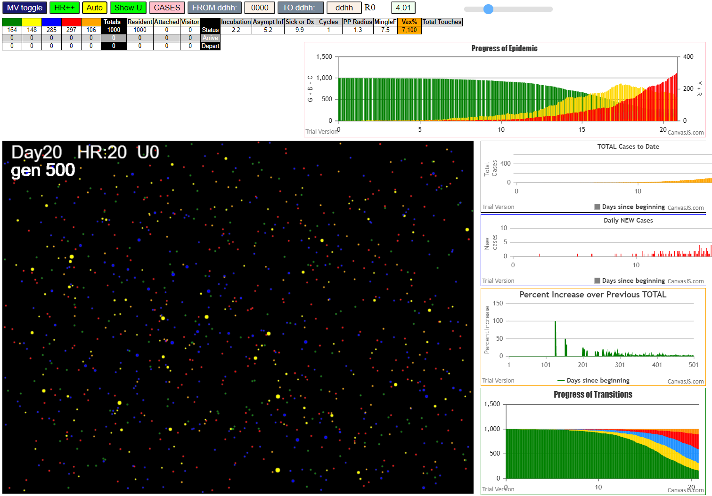


...

pr+tr
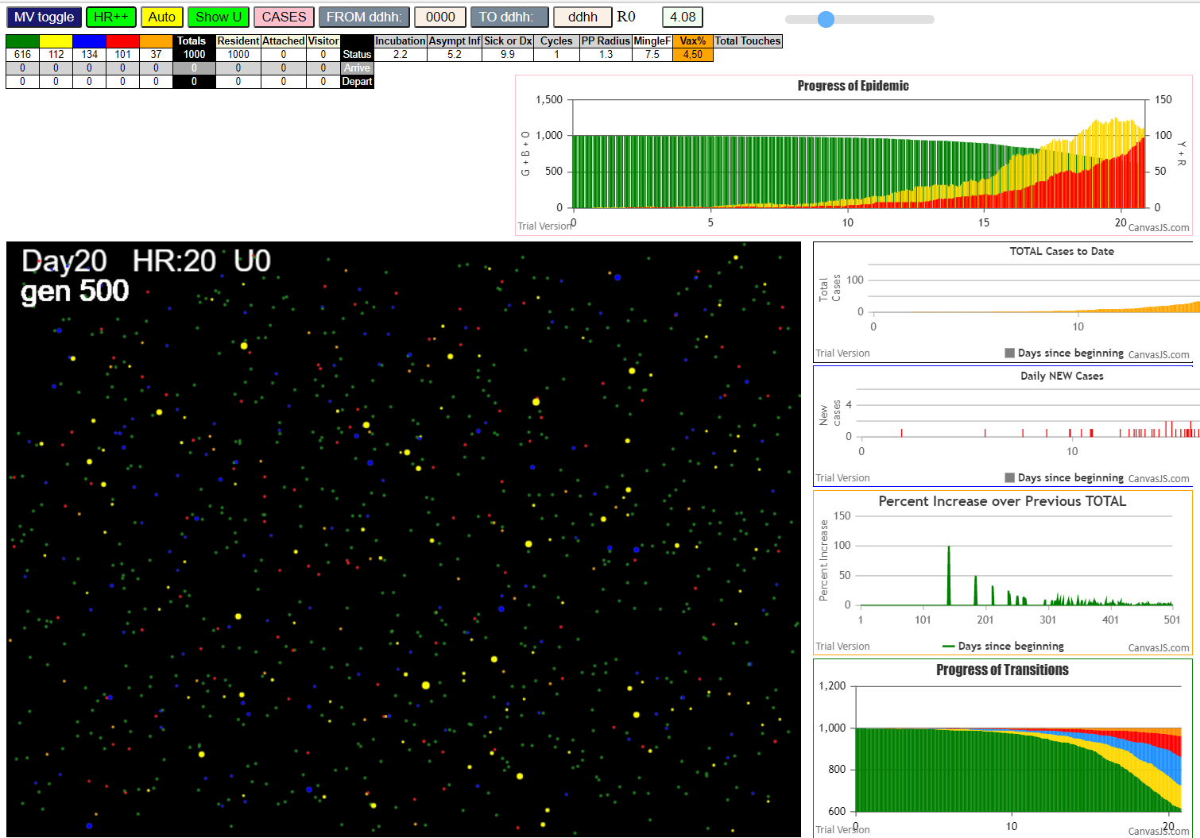

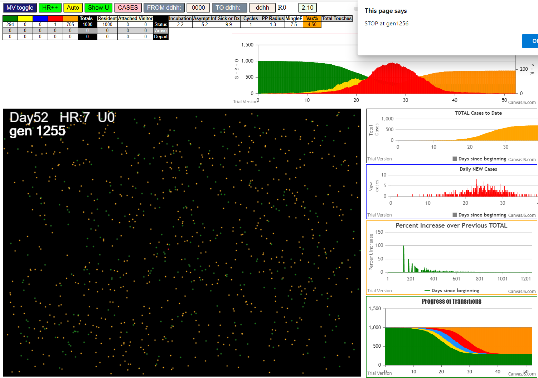
...

transmitters
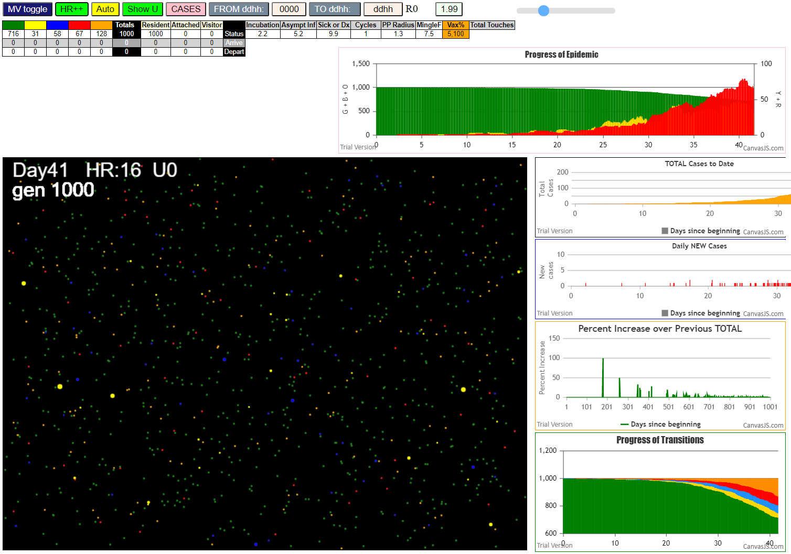

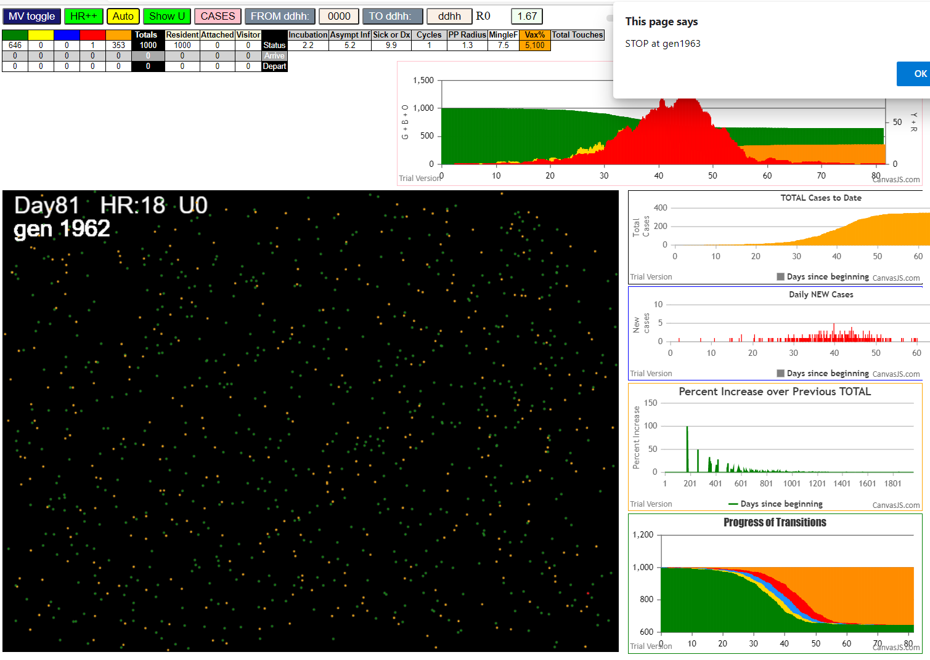
...

Sheet1
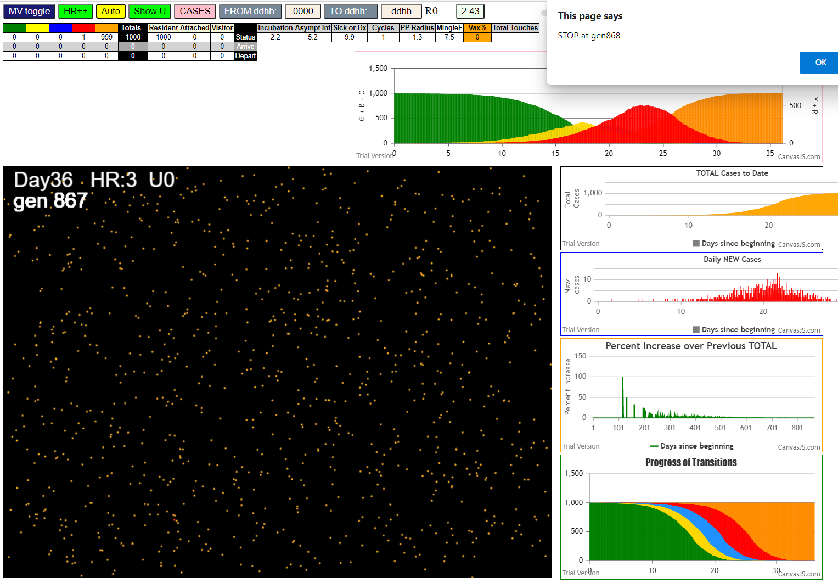

Some messages have been moved to the Issues panel.
​ 7I x:ageGp:fam 549:4:-1 by blue 116:1:-1 at gen99 Univ0 prob=0.456
​ 8I x:ageGp:fam 469:3:-1 by blue 565:4:-1 at gen108 Univ0 prob=0.021
​ 8I x:ageGp:fam 756:5:-1 by yellow 469:3:-1 at gen109 Univ0 prob=0.395
​ 10I x:ageGp:fam 206:2:-1 by red 150:2:-1 at gen115 Univ0 prob=0.256
​ 11I x:ageGp:fam 958:8:-1 by red 150:2:-1 at gen126 Univ0 prob=0.282
​ 11I x:ageGp:fam 300:2:-1 by red 150:2:-1 at gen127 Univ0 prob=0.693
​ 11I x:ageGp:fam 431:3:-1 by red 249:2:-1 at gen127 Univ0 prob=0.846
​ 14I x:ageGp:fam 844:6:-1 by red 150:2:-1 at gen134 Univ0 prob=0.159
...

